Step 1.6
Vo vs. Time Characteristics
0.00E+00 | 1.53E-01
2.61E-05 | 1.53E-01
5.22E-05 | 1.54E-01
7.83E-05 | 1.54E-01
1.04E-04 | 1.54E-01
1.31E-04 | 1.54E-01
1.57E-04 | 1.54E-01
1.83E-04 | 1.55E-01
2.33E-04 | 1.55E-01
2.65E-04 | 1.55E-01
3.14E-04 | 1.55E-01
3.64E-04 | 1.54E-01
4.14E-04 | 1.54E-01
4.89E-04 | 1.53E-01
5.64E-04 | 1.52E-01
6.14E-04 | 1.52E-01
6.64E-04 | 1.51E-01
7.14E-04 | 1.51E-01
7.57E-04 | 1.51E-01
8.01E-04 | 1.51E-01
8.51E-04 | 1.51E-01
9.01E-04 | 1.52E-01
9.76E-04 | 1.53E-01
1.00E-03 | 1.53E-01
1.03E-03 | 1.53E-01
1.05E-03 | 1.53E-01
1.08E-03 | 1.54E-01
1.10E-03 | 1.54E-01
1.13E-03 | 1.54E-01
1.15E-03 | 1.54E-01
1.20E-03 | 1.55E-01
1.24E-03 | 1.55E-01
1.28E-03 | 1.55E-01
1.33E-03 | 1.55E-01
1.38E-03 | 1.54E-01
1.43E-03 | 1.54E-01
1.46E-03 | 1.53E-01
1.48E-03 | 1.53E-01
1.51E-03 | 1.53E-01
1.53E-03 | 1.52E-01
1.56E-03 | 1.52E-01
1.58E-03 | 1.52E-01
1.61E-03 | 1.52E-01
1.66E-03 | 1.51E-01
1.71E-03 | 1.51E-01
1.75E-03 | 1.51E-01
1.80E-03 | 1.51E-01
1.85E-03 | 1.51E-01
1.90E-03 | 1.52E-01
1.97E-03 | 1.52E-01
...
Time | v(vo)
Seconds | Volts
0.00E+00 | 1.53E-01
2.61E-05 | 1.53E-01
5.22E-05 | 1.54E-01
7.83E-05 | 1.54E-01
1.04E-04 | 1.54E-01
1.31E-04 | 1.54E-01
1.57E-04 | 1.54E-01
1.83E-04 | 1.55E-01
2.33E-04 | 1.55E-01
2.65E-04 | 1.55E-01
3.14E-04 | 1.55E-01
3.64E-04 | 1.54E-01
4.14E-04 | 1.54E-01
4.89E-04 | 1.53E-01
5.64E-04 | 1.52E-01
6.14E-04 | 1.52E-01
6.64E-04 | 1.51E-01
7.14E-04 | 1.51E-01
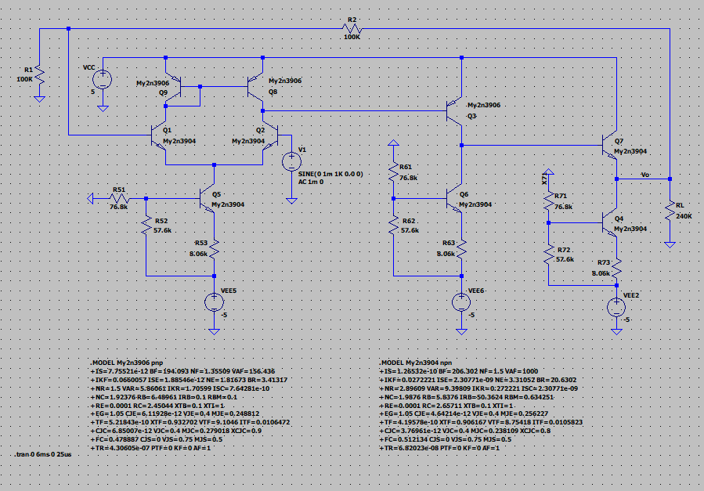
7.57E-04 | 1.51E-01
8.01E-04 | 1.51E-01
8.51E-04 | 1.51E-01
9.01E-04 | 1.52E-01
9.76E-04 | 1.53E-01
1.00E-03 | 1.53E-01
1.03E-03 | 1.53E-01
1.05E-03 | 1.53E-01
1.08E-03 | 1.54E-01
1.10E-03 | 1.54E-01
1.13E-03 | 1.54E-01
1.15E-03 | 1.54E-01
1.20E-03 | 1.55E-01
1.24E-03 | 1.55E-01
1.28E-03 | 1.55E-01
1.33E-03 | 1.55E-01
1.38E-03 | 1.54E-01
1.43E-03 | 1.54E-01
1.46E-03 | 1.53E-01
1.48E-03 | 1.53E-01
1.51E-03 | 1.53E-01
1.53E-03 | 1.52E-01
1.56E-03 | 1.52E-01
1.58E-03 | 1.52E-01
1.61E-03 | 1.52E-01
1.66E-03 | 1.51E-01
1.71E-03 | 1.51E-01
1.75E-03 | 1.51E-01
1.80E-03 | 1.51E-01
1.85E-03 | 1.51E-01
1.90E-03 | 1.52E-01
1.97E-03 | 1.52E-01
2.00E-03 | 1.53E-01
2.02E-03 | 1.53E-01
2.05E-03 | 1.53E-01
2.07E-03 | 1.54E-01
2.10E-03 | 1.54E-01
2.12E-03 | 1.54E-01
2.15E-03 | 1.54E-01
2.20E-03 | 1.55E-01
2.24E-03 | 1.55E-01
2.28E-03 | 1.55E-01
2.33E-03 | 1.55E-01
2.38E-03 | 1.54E-01
2.43E-03 | 1.54E-01
2.46E-03 | 1.53E-01
2.48E-03 | 1.53E-01
2.51E-03 | 1.53E-01
2.53E-03 | 1.52E-01
2.56E-03 | 1.52E-01
2.58E-03 | 1.52E-01
2.61E-03 | 1.52E-01
2.66E-03 | 1.51E-01
2.71E-03 | 1.51E-01
2.75E-03 | 1.51E-01
2.79E-03 | 1.51E-01
2.84E-03 | 1.51E-01
2.89E-03 | 1.52E-01
2.94E-03 | 1.52E-01
2.96E-03 | 1.52E-01
2.99E-03 | 1.53E-01
3.01E-03 | 1.53E-01
3.04E-03 | 1.53E-01
3.06E-03 | 1.54E-01
3.09E-03 | 1.54E-01
3.11E-03 | 1.54E-01
3.16E-03 | 1.55E-01
3.21E-03 | 1.55E-01
3.26E-03 | 1.55E-01
3.30E-03 | 1.55E-01
3.35E-03 | 1.54E-01
3.40E-03 | 1.54E-01
3.48E-03 | 1.53E-01
3.50E-03 | 1.53E-01
3.53E-03 | 1.53E-01
3.55E-03 | 1.52E-01
3.58E-03 | 1.52E-01
3.60E-03 | 1.52E-01
3.63E-03 | 1.51E-01
3.65E-03 | 1.51E-01
3.70E-03 | 1.51E-01
3.74E-03 | 1.51E-01
3.78E-03 | 1.51E-01
3.83E-03 | 1.51E-01
3.88E-03 | 1.52E-01
3.93E-03 | 1.52E-01
3.96E-03 | 1.52E-01
3.98E-03 | 1.53E-01
4.01E-03 | 1.53E-01
4.03E-03 | 1.53E-01
4.06E-03 | 1.54E-01
4.08E-03 | 1.54E-01
4.11E-03 | 1.54E-01
4.16E-03 | 1.55E-01
4.21E-03 | 1.55E-01
4.25E-03 | 1.55E-01
4.29E-03 | 1.55E-01
4.34E-03 | 1.55E-01
4.39E-03 | 1.54E-01
4.47E-03 | 1.53E-01
4.49E-03 | 1.53E-01
4.52E-03 | 1.53E-01
4.54E-03 | 1.52E-01
4.57E-03 | 1.52E-01
4.59E-03 | 1.52E-01
4.62E-03 | 1.52E-01
4.64E-03 | 1.51E-01
4.69E-03 | 1.51E-01
4.74E-03 | 1.51E-01
4.78E-03 | 1.51E-01
4.83E-03 | 1.51E-01
4.88E-03 | 1.52E-01
4.93E-03 | 1.52E-01
4.96E-03 | 1.52E-01
4.98E-03 | 1.53E-01
5.01E-03 | 1.53E-01
5.03E-03 | 1.53E-01
5.06E-03 | 1.54E-01
5.08E-03 | 1.54E-01
5.11E-03 | 1.54E-01
5.16E-03 | 1.55E-01
5.21E-03 | 1.55E-01
5.25E-03 | 1.55E-01
5.29E-03 | 1.55E-01
5.34E-03 | 1.55E-01
5.39E-03 | 1.54E-01
5.44E-03 | 1.54E-01
5.46E-03 | 1.53E-01
5.49E-03 | 1.53E-01
5.51E-03 | 1.53E-01
5.54E-03 | 1.52E-01
5.56E-03 | 1.52E-01
5.59E-03 | 1.52E-01
5.61E-03 | 1.52E-01
5.66E-03 | 1.51E-01
5.71E-03 | 1.51E-01
5.76E-03 | 1.51E-01
5.80E-03 | 1.51E-01
5.85E-03 | 1.51E-01
5.90E-03 | 1.52E-01
5.98E-03 | 1.53E-01
6.00E-03 | 1.53E-01

Step 1.7
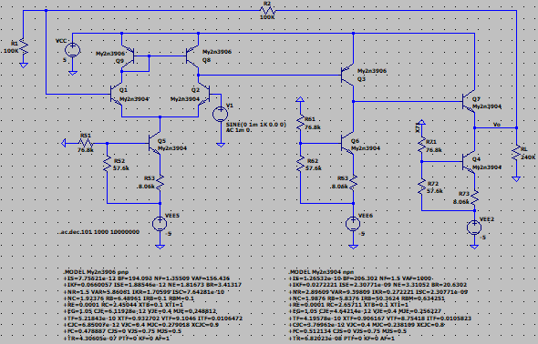
Frequency | vm(vo) | ph(v(vo)) | Av | Av
Hz | Volts | deg | V/V | dB
1.00E+03 | 0.0020000747497 | 3.67E-02 | 2.0 | 6.0
1.02E+03 | 0.0020000747714 | 3.76E-02 | 2.0 | 6.0
1.05E+03 | 0.0020000747955 | 3.84E-02 | 2.0 | 6.0
1.07E+03 | 0.0020000748192 | 3.93E-02 | 2.0 | 6.0
1.10E+03 | 0.0020000748465 | 4.02E-02 | 2.0 | 6.0
1.12E+03 | 0.0020000748725 | 4.11E-02 | 2.0 | 6.0
1.15E+03 | 0.0020000749017 | 4.21E-02 | 2.0 | 6.0
1.17E+03 | 0.0020000749302 | 4.31E-02 | 2.0 | 6.0
1.20E+03 | 0.0020000749614 | 4.41E-02 | 2.0 | 6.0
1.23E+03 | 0.0020000749951 | 4.51E-02 | 2.0 | 6.0
1.26E+03 | 0.0020000750277 | 4.61E-02 | 2.0 | 6.0
1.29E+03 | 0.0020000750639 | 4.72E-02 | 2.0 | 6.0
1.31E+03 | 0.0020000751011 | 4.83E-02 | 2.0 | 6.0
1.34E+03 | 0.002000075141 | 4.94E-02 | 2.0 | 6.0
1.38E+03 | 0.0020000751817 | 5.05E-02 | 2.0 | 6.0
1.41E+03 | 0.0020000752246 | 5.17E-02 | 2.0 | 6.0
1.44E+03 | 0.00200007527 | 5.29E-02 | 2.0 | 6.0
1.47E+03 | 0.0020000753164 | 5.41E-02 | 2.0 | 6.0
1.51E+03 | 0.0020000753654 | 5.53E-02 | 2.0 | 6.0
1.54E+03 | 0.0020000754171 | 5.66E-02 | 2.0 | 6.0
1.58E+03 | 0.0020000754701 | 5.79E-02 | 2.0 | 6.0
1.61E+03 | 0.0020000755259 | 5.92E-02 | 2.0 | 6.0
1.65E+03 | 0.0020000755848 | 6.06E-02 | 2.0 | 6.0
1.69E+03 | 0.0020000756473 | 6.20E-02 | 2.0 | 6.0
1.73E+03 | 0.0020000757116 | 6.34E-02 | 2.0 | 6.0
1.77E+03 | 0.0020000757783 | 6.49E-02 | 2.0 | 6.0
1.81E+03 | 0.0020000758499 | 6.64E-02 | 2.0 | 6.0
1.85E+03 | 0.0020000759242 | 6.79E-02 | 2.0 | 6.0
1.89E+03 | 0.0020000760004 | 6.95E-02 | 2.0 | 6.0
1.94E+03 | 0.002000076082 | 7.11E-02 | 2.0 | 6.0
1.98E+03 | 0.0020000761691 | 7.27E-02 | 2.0 | 6.0
2.03E+03 | 0.0020000762566 | 7.44E-02 | 2.0 | 6.0
2.07E+03 | 0.0020000763496 | 7.61E-02 | 2.0 | 6.0
2.12E+03 | 0.0020000764467 | 7.79E-02 | 2.0 | 6.0
2.17E+03 | 0.0020000765481 | 7.97E-02 | 2.0 | 6.0
2.22E+03 | 0.0020000766542 | 8.15E-02 | 2.0 | 6.0
2.27E+03 | 0.0020000767645 | 8.34E-02 | 2.0 | 6.0
2.32E+03 | 0.0020000768822 | 8.53E-02 | 2.0 | 6.0
2.38E+03 | 0.0020000770051 | 8.73E-02 | 2.0 | 6.0
2.43E+03 | 0.0020000771301 | 8.93E-02 | 2.0 | 6.0
2.49E+03 | 0.0020000772642 | 9.14E-02 | 2.0 | 6.0
2.55E+03 | 0.0020000774057 | 9.35E-02 | 2.0 | 6.0
2.61E+03 | 0.0020000775521 | 9.56E-02 | 2.0 | 6.0
2.67E+03 | 0.0020000777069 | 9.78E-02 | 2.0 | 6.0
2.73E+03 | 0.0020000778667 | 1.00E-01 | 2.0 | 6.0
2.79E+03 | 0.0020000780356 | 1.02E-01 | 2.0 | 6.0
2.85E+03 | 0.0020000782101 | 1.05E-01 | 2.0 | 6.0
2.92E+03 | 0.0020000783968 | 1.07E-01 | 2.0 | 6.0
2.99E+03 | 0.0020000785874 | 1.10E-01 | 2.0 | 6.0
3.06E+03 | 0.0020000787899 | 1.12E-01 | 2.0 | 6.0
3.13E+03 | 0.0020000790006 | 1.15E-01 | 2.0 | 6.0
3.20E+03 | 0.0020000792216 | 1.17E-01 | 2.0 | 6.0
3.27E+03 | 0.0020000794516 | 1.20E-01 | 2.0 | 6.0
3.35E+03 | 0.0020000796953 | 1.23E-01 | 2.0 | 6.0
3.42E+03 | 0.0020000799479 | 1.26E-01 | 2.0 | 6.0
3.50E+03 | 0.0020000802138 | 1.29E-01 | 2.0 | 6.0
3.58E+03 | 0.0020000804915 | 1.32E-01 | 2.0 | 6.0
3.67E+03 | 0.0020000807816 | 1.35E-01 | 2.0 | 6.0
3.75E+03 | 0.0020000810862 | 1.38E-01 | 2.0 | 6.0
3.84E+03 | 0.0020000814048 | 1.41E-01 | 2.0 | 6.0
3.93E+03 | 0.0020000817363 | 1.44E-01 | 2.0 | 6.0
4.02E+03 | 0.0020000820855 | 1.47E-01 | 2.0 | 6.0
4.11E+03 | 0.0020000824509 | 1.51E-01 | 2.0 | 6.0
4.20E+03 | 0.002000082833 | 1.54E-01 | 2.0 | 6.0
4.30E+03 | 0.0020000832312 | 1.58E-01 | 2.0 | 6.0
4.40E+03 | 0.0020000836502 | 1.62E-01 | 2.0 | 6.0
4.50E+03 | 0.0020000840889 | 1.65E-01 | 2.0 | 6.0
4.61E+03 | 0.0020000845458 | 1.69E-01 | 2.0 | 6.0
4.71E+03 | 0.0020000850275 | 1.73E-01 | 2.0 | 6.0
4.82E+03 | 0.0020000855301 | 1.77E-01 | 2.0 | 6.0
4.93E+03 | 0.0020000860528 | 1.81E-01 | 2.0 | 6.0
5.05E+03 | 0.0020000866039 | 1.85E-01 | 2.0 | 6.0
5.16E+03 | 0.002000087179 | 1.90E-01 | 2.0 | 6.0
5.28E+03 | 0.0020000877819 | 1.94E-01 | 2.0 | 6.0
5.40E+03 | 0.0020000884131 | 1.98E-01 | 2.0 | 6.0
5.53E+03 | 0.0020000890731 | 2.03E-01 | 2.0 | 6.0
5.66E+03 | 0.0020000897625 | 2.08E-01 | 2.0 | 6.0
5.79E+03 | 0.0020000904873 | 2.12E-01 | 2.0 | 6.0
5.92E+03 | 0.0020000912433 | 2.17E-01 | 2.0 | 6.0
6.06E+03 | 0.0020000920362 | 2.22E-01 | 2.0 | 6.0
6.20E+03 | 0.0020000928659 | 2.27E-01 | 2.0 | 6.0
6.34E+03 | 0.0020000937327 | 2.33E-01 | 2.0 | 6.0
6.48E+03 | 0.0020000946398 | 2.38E-01 | 2.0 | 6.0
6.63E+03 | 0.0020000955923 | 2.44E-01 | 2.0 | 6.0
6.79E+03 | 0.002000096585 | 2.49E-01 | 2.0 | 6.0
6.94E+03 | 0.0020000976279 | 2.55E-01 | 2.0 | 6.0
7.10E+03 | 0.0020000987169 | 2.61E-01 | 2.0 | 6.0
7.27E+03 | 0.0020000998591 | 2.67E-01 | 2.0 | 6.0
7.44E+03 | 0.0020001010532 | 2.73E-01 | 2.0 | 6.0
7.61E+03 | 0.0020001023037 | 2.79E-01 | 2.0 | 6.0
7.78E+03 | 0.0020001036105 | 2.86E-01 | 2.0 | 6.0
7.96E+03 | 0.0020001049826 | 2.92E-01 | 2.0 | 6.0
8.15E+03 | 0.0020001064126 | 2.99E-01 | 2.0 | 6.0
8.33E+03 | 0.0020001079124 | 3.06E-01 | 2.0 | 6.0
8.52E+03 | 0.0020001094832 | 3.13E-01 | 2.0 | 6.0
8.72E+03 | 0.0020001111267 | 3.20E-01 | 2.0 | 6.0
8.92E+03 | 0.002000112845 | 3.28E-01 | 2.0 | 6.0
9.13E+03 | 0.0020001146457 | 3.35E-01 | 2.0 | 6.0
9.34E+03 | 0.0020001165292 | 3.43E-01 | 2.0 | 6.0
9.55E+03 | 0.0020001185009 | 3.51E-01 | 2.0 | 6.0
9.77E+03 | 0.0020001205651 | 3.59E-01 | 2.0 | 6.0
1.00E+04 | 0.0020001227245 | 3.67E-01 | 2.0 | 6.0
1.02E+04 | 0.0020001249854 | 3.76E-01 | 2.0 | 6.0
1.05E+04 | 0.0020001273522 | 3.84E-01 | 2.0 | 6.0
1.07E+04 | 0.0020001298278 | 3.93E-01 | 2.0 | 6.0
1.10E+04 | 0.002000132417 | 4.02E-01 | 2.0 | 6.0
1.12E+04 | 0.0020001351328 | 4.11E-01 | 2.0 | 6.0
1.15E+04 | 0.0020001379729 | 4.21E-01 | 2.0 | 6.0
1.17E+04 | 0.0020001409444 | 4.31E-01 | 2.0 | 6.0
1.20E+04 | 0.0020001440551 | 4.41E-01 | 2.0 | 6.0
1.23E+04 | 0.0020001473102 | 4.51E-01 | 2.0 | 6.0
1.26E+04 | 0.0020001507192 | 4.61E-01 | 2.0 | 6.0
1.29E+04 | 0.0020001542859 | 4.72E-01 | 2.0 | 6.0
1.31E+04 | 0.00200015802 | 4.83E-01 | 2.0 | 6.0
1.34E+04 | 0.0020001619273 | 4.94E-01 | 2.0 | 6.0
1.38E+04 | 0.0020001660142 | 5.05E-01 | 2.0 | 6.0
1.41E+04 | 0.0020001702981 | 5.17E-01 | 2.0 | 6.0
1.44E+04 | 0.0020001747773 | 5.29E-01 | 2.0 | 6.0
1.47E+04 | 0.0020001794665 | 5.41E-01 | 2.0 | 6.0
1.51E+04 | 0.0020001843733 | 5.53E-01 | 2.0 | 6.0
1.54E+04 | 0.0020001895097 | 5.66E-01 | 2.0 | 6.0
1.58E+04 | 0.0020001948871 | 5.79E-01 | 2.0 | 6.0
1.61E+04 | 0.0020002005156 | 5.92E-01 | 2.0 | 6.0
1.65E+04 | 0.002000206404 | 6.06E-01 | 2.0 | 6.0
1.69E+04 | 0.0020002125704 | 6.20E-01 | 2.0 | 6.0
1.73E+04 | 0.0020002190212 | 6.34E-01 | 2.0 | 6.0
1.77E+04 | 0.0020002257752 | 6.49E-01 | 2.0 | 6.0
1.81E+04 | 0.0020002328438 | 6.64E-01 | 2.0 | 6.0
1.85E+04 | 0.0020002402407 | 6.79E-01 | 2.0 | 6.0
1.89E+04 | 0.002000247985 | 6.95E-01 | 2.0 | 6.0
1.94E+04 | 0.0020002560902 | 7.11E-01 | 2.0 | 6.0
1.98E+04 | 0.0020002645715 | 7.27E-01 | 2.0 | 6.0
2.03E+04 | 0.002000273452 | 7.44E-01 | 2.0 | 6.0
2.07E+04 | 0.0020002827423 | 7.61E-01 | 2.0 | 6.0
2.12E+04 | 0.0020002924705 | 7.79E-01 | 2.0 | 6.0
2.17E+04 | 0.0020003026497 | 7.97E-01 | 2.0 | 6.0
2.22E+04 | 0.0020003133047 | 8.15E-01 | 2.0 | 6.0
2.27E+04 | 0.0020003244571 | 8.34E-01 | 2.0 | 6.0
2.32E+04 | 0.0020003361306 | 8.53E-01 | 2.0 | 6.0
2.38E+04 | 0.0020003483476 | 8.73E-01 | 2.0 | 6.0
2.43E+04 | 0.0020003611338 | 8.93E-01 | 2.0 | 6.0
2.49E+04 | 0.0020003745177 | 9.14E-01 | 2.0 | 6.0
2.55E+04 | 0.002000388525 | 9.35E-01 | 2.0 | 6.0
2.61E+04 | 0.0020004031889 | 9.56E-01 | 2.0 | 6.0
2.67E+04 | 0.0020004185325 | 9.78E-01 | 2.0 | 6.0
2.73E+04 | 0.002000434594 | 1.00E+00 | 2.0 | 6.0
2.79E+04 | 0.0020004514059 | 1.02E+00 | 2.0 | 6.0
2.85E+04 | 0.0020004690024 | 1.05E+00 | 2.0 | 6.0
2.92E+04 | 0.0020004874185 | 1.07E+00 | 2.0 | 6.0
2.99E+04 | 0.0020005066962 | 1.10E+00 | 2.0 | 6.0
3.06E+04 | 0.0020005268702 | 1.12E+00 | 2.0 | 6.0
3.13E+04 | 0.0020005479884 | 1.15E+00 | 2.0 | 6.0
3.20E+04 | 0.0020005700886 | 1.17E+00 | 2.0 | 6.0
3.27E+04 | 0.0020005932241 | 1.20E+00 | 2.0 | 6.0
3.35E+04 | 0.0020006174357 | 1.23E+00 | 2.0 | 6.0
3.42E+04 | 0.0020006427795 | 1.26E+00 | 2.0 | 6.0
3.50E+04 | 0.0020006693051 | 1.29E+00 | 2.0 | 6.0
3.58E+04 | 0.0020006970668 | 1.32E+00 | 2.0 | 6.0
3.67E+04 | 0.0020007261259 | 1.35E+00 | 2.0 | 6.0
3.75E+04 | 0.0020007565404 | 1.38E+00 | 2.0 | 6.0
3.84E+04 | 0.0020007883758 | 1.41E+00 | 2.0 | 6.0
3.93E+04 | 0.0020008216946 | 1.44E+00 | 2.0 | 6.0
4.02E+04 | 0.0020008565692 | 1.47E+00 | 2.0 | 6.0
4.11E+04 | 0.0020008930725 | 1.51E+00 | 2.0 | 6.0
4.20E+04 | 0.0020009312775 | 1.54E+00 | 2.0 | 6.0
4.30E+04 | 0.0020009712667 | 1.58E+00 | 2.0 | 6.0
4.40E+04 | 0.0020010131203 | 1.62E+00 | 2.0 | 6.0
4.50E+04 | 0.0020010569288 | 1.65E+00 | 2.0 | 6.0
4.61E+04 | 0.0020011027835 | 1.69E+00 | 2.0 | 6.0
4.71E+04 | 0.0020011507749 | 1.73E+00 | 2.0 | 6.0
4.82E+04 | 0.0020012010086 | 1.77E+00 | 2.0 | 6.0
4.93E+04 | 0.0020012535864 | 1.81E+00 | 2.0 | 6.0
5.05E+04 | 0.0020013086176 | 1.85E+00 | 2.0 | 6.0
5.16E+04 | 0.0020013662179 | 1.89E+00 | 2.0 | 6.0
5.28E+04 | 0.0020014265082 | 1.94E+00 | 2.0 | 6.0
5.40E+04 | 0.0020014896124 | 1.98E+00 | 2.0 | 6.0
5.53E+04 | 0.0020015556613 | 2.03E+00 | 2.0 | 6.0
5.66E+04 | 0.0020016247937 | 2.08E+00 | 2.0 | 6.0
5.79E+04 | 0.0020016971536 | 2.12E+00 | 2.0 | 6.0
5.92E+04 | 0.0020017728933 | 2.17E+00 | 2.0 | 6.0
6.06E+04 | 0.0020018521666 | 2.22E+00 | 2.0 | 6.0
6.20E+04 | 0.0020019351422 | 2.27E+00 | 2.0 | 6.0
6.34E+04 | 0.0020020219923 | 2.33E+00 | 2.0 | 6.0
6.48E+04 | 0.0020021128953 | 2.38E+00 | 2.0 | 6.0
6.63E+04 | 0.0020022080457 | 2.43E+00 | 2.0 | 6.0
6.79E+04 | 0.002002307639 | 2.49E+00 | 2.0 | 6.0
6.94E+04 | 0.0020024118828 | 2.55E+00 | 2.0 | 6.0
7.10E+04 | 0.0020025209948 | 2.61E+00 | 2.0 | 6.0
7.27E+04 | 0.002002635202 | 2.67E+00 | 2.0 | 6.0
7.44E+04 | 0.0020027547452 | 2.73E+00 | 2.0 | 6.0
7.61E+04 | 0.0020028798695 | 2.79E+00 | 2.0 | 6.0
7.78E+04 | 0.0020030108374 | 2.86E+00 | 2.0 | 6.0
7.96E+04 | 0.0020031479258 | 2.92E+00 | 2.0 | 6.0
8.15E+04 | 0.0020032914181 | 2.99E+00 | 2.0 | 6.0
8.33E+04 | 0.0020034416137 | 3.06E+00 | 2.0 | 6.0
8.52E+04 | 0.0020035988277 | 3.13E+00 | 2.0 | 6.0
8.72E+04 | 0.0020037633858 | 3.20E+00 | 2.0 | 6.0
8.92E+04 | 0.0020039356346 | 3.27E+00 | 2.0 | 6.0
9.13E+04 | 0.0020041159329 | 3.35E+00 | 2.0 | 6.0
9.34E+04 | 0.0020043046579 | 3.43E+00 | 2.0 | 6.0
9.55E+04 | 0.0020045022028 | 3.50E+00 | 2.0 | 6.0
9.77E+04 | 0.0020047089816 | 3.59E+00 | 2.0 | 6.0
1.00E+05 | 0.0020049254278 | 3.67E+00 | 2.0 | 6.0
1.02E+05 | 0.0020051519937 | 3.75E+00 | 2.0 | 6.0
1.05E+05 | 0.0020053891537 | 3.84E+00 | 2.0 | 6.0
1.07E+05 | 0.0020056374029 | 3.93E+00 | 2.0 | 6.0
1.10E+05 | 0.0020058972617 | 4.02E+00 | 2.0 | 6.0
1.12E+05 | 0.0020061692771 | 4.11E+00 | 2.0 | 6.0
1.15E+05 | 0.0020064540152 | 4.20E+00 | 2.0 | 6.0
1.17E+05 | 0.002006752075 | 4.30E+00 | 2.0 | 6.0
1.20E+05 | 0.0020070640794 | 4.40E+00 | 2.0 | 6.1
1.23E+05 | 0.0020073906867 | 4.50E+00 | 2.0 | 6.1
1.26E+05 | 0.0020077325794 | 4.61E+00 | 2.0 | 6.1
1.29E+05 | 0.0020080904762 | 4.71E+00 | 2.0 | 6.1
1.31E+05 | 0.0020084651293 | 4.82E+00 | 2.0 | 6.1
1.34E+05 | 0.0020088573257 | 4.93E+00 | 2.0 | 6.1
1.38E+05 | 0.0020092678892 | 5.04E+00 | 2.0 | 6.1
1.41E+05 | 0.002009697685 | 5.16E+00 | 2.0 | 6.1
1.44E+05 | 0.0020101476159 | 5.28E+00 | 2.0 | 6.1
1.47E+05 | 0.0020106186293 | 5.40E+00 | 2.0 | 6.1
1.51E+05 | 0.0020111117191 | 5.52E+00 | 2.0 | 6.1
1.54E+05 | 0.0020116279258 | 5.65E+00 | 2.0 | 6.1
1.58E+05 | 0.0020121683366 | 5.78E+00 | 2.0 | 6.1
1.61E+05 | 0.0020127340885 | 5.91E+00 | 2.0 | 6.1
1.65E+05 | 0.002013326386 | 6.05E+00 | 2.0 | 6.1
1.69E+05 | 0.0020139464713 | 6.19E+00 | 2.0 | 6.1
1.73E+05 | 0.0020145956633 | 6.33E+00 | 2.0 | 6.1
1.77E+05 | 0.0020152753319 | 6.48E+00 | 2.0 | 6.1
1.81E+05 | 0.0020159869167 | 6.62E+00 | 2.0 | 6.1
1.85E+05 | 0.0020167319287 | 6.78E+00 | 2.0 | 6.1
1.89E+05 | 0.0020175119495 | 6.93E+00 | 2.0 | 6.1
1.94E+05 | 0.0020183286337 | 7.09E+00 | 2.0 | 6.1
1.98E+05 | 0.0020191837179 | 7.25E+00 | 2.0 | 6.1
2.03E+05 | 0.0020200790228 | 7.42E+00 | 2.0 | 6.1
2.07E+05 | 0.002021016455 | 7.59E+00 | 2.0 | 6.1
2.12E+05 | 0.0020219980134 | 7.76E+00 | 2.0 | 6.1
2.17E+05 | 0.0020230257921 | 7.94E+00 | 2.0 | 6.1
2.22E+05 | 0.0020241019898 | 8.12E+00 | 2.0 | 6.1
2.27E+05 | 0.0020252289077 | 8.31E+00 | 2.0 | 6.1
2.32E+05 | 0.0020264089599 | 8.50E+00 | 2.0 | 6.1
2.38E+05 | 0.0020276446783 | 8.69E+00 | 2.0 | 6.1
2.43E+05 | 0.0020289387143 | 8.89E+00 | 2.0 | 6.1
2.49E+05 | 0.0020302938535 | 9.10E+00 | 2.0 | 6.2
2.55E+05 | 0.0020317130165 | 9.30E+00 | 2.0 | 6.2
2.61E+05 | 0.00203319926 | 9.52E+00 | 2.0 | 6.2
2.67E+05 | 0.0020347557938 | 9.73E+00 | 2.0 | 6.2
2.73E+05 | 0.0020363859899 | 9.96E+00 | 2.0 | 6.2
2.79E+05 | 0.0020380933759 | 1.02E+01 | 2.0 | 6.2
2.85E+05 | 0.0020398816615 | 1.04E+01 | 2.0 | 6.2
2.92E+05 | 0.0020417547324 | 1.07E+01 | 2.0 | 6.2
2.99E+05 | 0.0020437166733 | 1.09E+01 | 2.0 | 6.2
3.06E+05 | 0.0020457717563 | 1.11E+01 | 2.0 | 6.2
3.13E+05 | 0.0020479244847 | 1.14E+01 | 2.0 | 6.2
3.20E+05 | 0.0020501795693 | 1.17E+01 | 2.1 | 6.2
3.27E+05 | 0.0020525419618 | 1.19E+01 | 2.1 | 6.2
3.35E+05 | 0.0020550168617 | 1.22E+01 | 2.1 | 6.3
3.42E+05 | 0.0020576097207 | 1.25E+01 | 2.1 | 6.3
3.50E+05 | 0.0020603262714 | 1.27E+01 | 2.1 | 6.3
3.58E+05 | 0.0020631725277 | 1.30E+01 | 2.1 | 6.3
3.67E+05 | 0.0020661548107 | 1.33E+01 | 2.1 | 6.3
3.75E+05 | 0.0020692797543 | 1.36E+01 | 2.1 | 6.3
3.84E+05 | 0.0020725543281 | 1.39E+01 | 2.1 | 6.3
3.93E+05 | 0.002075985861 | 1.43E+01 | 2.1 | 6.3
4.02E+05 | 0.0020795820423 | 1.46E+01 | 2.1 | 6.4
4.11E+05 | 0.0020833509599 | 1.49E+01 | 2.1 | 6.4
4.20E+05 | 0.0020873011133 | 1.52E+01 | 2.1 | 6.4
4.30E+05 | 0.0020914414288 | 1.56E+01 | 2.1 | 6.4
4.40E+05 | 0.0020957812971 | 1.59E+01 | 2.1 | 6.4
4.50E+05 | 0.0021003305852 | 1.63E+01 | 2.1 | 6.4
4.61E+05 | 0.0021050996708 | 1.67E+01 | 2.1 | 6.5
4.71E+05 | 0.002110099467 | 1.70E+01 | 2.1 | 6.5
4.82E+05 | 0.0021153414425 | 1.74E+01 | 2.1 | 6.5
4.93E+05 | 0.0021208376718 | 1.78E+01 | 2.1 | 6.5
5.05E+05 | 0.0021266008446 | 1.82E+01 | 2.1 | 6.6
5.16E+05 | 0.0021326443171 | 1.86E+01 | 2.1 | 6.6
5.28E+05 | 0.0021389821468 | 1.90E+01 | 2.1 | 6.6
5.40E+05 | 0.0021456291084 | 1.94E+01 | 2.1 | 6.6
5.53E+05 | 0.0021526007684 | 1.98E+01 | 2.2 | 6.7
5.66E+05 | 0.0021599135016 | 2.03E+01 | 2.2 | 6.7
5.79E+05 | 0.0021675845483 | 2.07E+01 | 2.2 | 6.7
5.92E+05 | 0.002175632059 | 2.12E+01 | 2.2 | 6.8
6.06E+05 | 0.0021840751383 | 2.16E+01 | 2.2 | 6.8
6.20E+05 | 0.0021929339112 | 2.21E+01 | 2.2 | 6.8
6.34E+05 | 0.0022022295715 | 2.26E+01 | 2.2 | 6.9
6.48E+05 | 0.0022119844361 | 2.31E+01 | 2.2 | 6.9
6.63E+05 | 0.0022222220241 | 2.36E+01 | 2.2 | 6.9
6.79E+05 | 0.0022329671096 | 2.41E+01 | 2.2 | 7.0
6.94E+05 | 0.0022442457961 | 2.46E+01 | 2.2 | 7.0
7.10E+05 | 0.0022560856034 | 2.51E+01 | 2.3 | 7.1
7.27E+05 | 0.0022685155313 | 2.56E+01 | 2.3 | 7.1
7.44E+05 | 0.0022815661625 | 2.62E+01 | 2.3 | 7.2
7.61E+05 | 0.0022952697374 | 2.67E+01 | 2.3 | 7.2
7.78E+05 | 0.002309660269 | 2.73E+01 | 2.3 | 7.3
7.96E+05 | 0.0023247736313 | 2.79E+01 | 2.3 | 7.3
8.15E+05 | 0.0023406476865 | 2.84E+01 | 2.3 | 7.4
8.33E+05 | 0.0023573223949 | 2.90E+01 | 2.4 | 7.4
8.52E+05 | 0.0023748399487 | 2.96E+01 | 2.4 | 7.5
8.72E+05 | 0.0023932449125 | 3.02E+01 | 2.4 | 7.6
8.92E+05 | 0.0024125843573 | 3.08E+01 | 2.4 | 7.6
9.13E+05 | 0.0024329080667 | 3.14E+01 | 2.4 | 7.7
9.34E+05 | 0.002454268653 | 3.21E+01 | 2.5 | 7.8
9.55E+05 | 0.0024767218001 | 3.27E+01 | 2.5 | 7.9
9.77E+05 | 0.0025003264434 | 3.34E+01 | 2.5 | 8.0
1.00E+06 | 0.0025251450039 | 3.40E+01 | 2.5 | 8.0
1.02E+06 | 0.0025512436594 | 3.47E+01 | 2.6 | 8.1
1.05E+06 | 0.002578692579 | 3.53E+01 | 2.6 | 8.2
1.07E+06 | 0.0026075662658 | 3.60E+01 | 2.6 | 8.3
1.10E+06 | 0.0026379438622 | 3.67E+01 | 2.6 | 8.4
1.12E+06 | 0.0026699095365 | 3.74E+01 | 2.7 | 8.5
1.15E+06 | 0.0027035528849 | 3.81E+01 | 2.7 | 8.6
1.17E+06 | 0.0027389694111 | 3.88E+01 | 2.7 | 8.8
1.20E+06 | 0.0027762609865 | 3.95E+01 | 2.8 | 8.9
1.23E+06 | 0.0028155364794 | 4.02E+01 | 2.8 | 9.0
1.26E+06 | 0.002856912352 | 4.09E+01 | 2.9 | 9.1
1.29E+06 | 0.0029005133886 | 4.16E+01 | 2.9 | 9.2
1.31E+06 | 0.0029464735192 | 4.24E+01 | 2.9 | 9.4
1.34E+06 | 0.0029949367095 | 4.31E+01 | 3.0 | 9.5
1.38E+06 | 0.0030460580382 | 4.38E+01 | 3.0 | 9.7
1.41E+06 | 0.0031000047536 | 4.46E+01 | 3.1 | 9.8
1.44E+06 | 0.0031569577568 | 4.53E+01 | 3.2 | 10.0
1.47E+06 | 0.0032171129689 | 4.61E+01 | 3.2 | 10.1
1.51E+06 | 0.0032806831728 | 4.68E+01 | 3.3 | 10.3
1.54E+06 | 0.0033478998923 | 4.76E+01 | 3.3 | 10.5
1.58E+06 | 0.0034190156892 | 4.83E+01 | 3.4 | 10.7
1.61E+06 | 0.0034943067688 | 4.91E+01 | 3.5 | 10.9
1.65E+06 | 0.0035740759415 | 4.99E+01 | 3.6 | 11.1
1.69E+06 | 0.0036586561005 | 5.06E+01 | 3.7 | 11.3
1.73E+06 | 0.0037484141894 | 5.14E+01 | 3.7 | 11.5
1.77E+06 | 0.0038437558648 | 5.22E+01 | 3.8 | 11.7
1.81E+06 | 0.0039451309051 | 5.30E+01 | 3.9 | 11.9
1.85E+06 | 0.0040530395612 | 5.38E+01 | 4.1 | 12.2
1.89E+06 | 0.0041680398977 | 5.46E+01 | 4.2 | 12.4
1.94E+06 | 0.0042907566019 | 5.54E+01 | 4.3 | 12.7
1.98E+06 | 0.0044218912736 | 5.62E+01 | 4.4 | 12.9
2.03E+06 | 0.0045622346534 | 5.70E+01 | 4.6 | 13.2
2.07E+06 | 0.0047126811853 | 5.79E+01 | 4.7 | 13.5
2.12E+06 | 0.0048742464763 | 5.87E+01 | 4.9 | 13.8
2.17E+06 | 0.0050480881702 | 5.96E+01 | 5.0 | 14.1
2.22E+06 | 0.005235531228 | 6.05E+01 | 5.2 | 14.4
2.27E+06 | 0.0054380984261 | 6.14E+01 | 5.4 | 14.7
2.32E+06 | 0.0056575476147 | 6.23E+01 | 5.7 | 15.1
2.38E+06 | 0.0058959170565 | 6.33E+01 | 5.9 | 15.4
2.43E+06 | 0.0061555812442 | 6.43E+01 | 6.2 | 15.8
2.49E+06 | 0.0064393193817 | 6.54E+01 | 6.4 | 16.2
2.55E+06 | 0.0067504001113 | 6.65E+01 | 6.8 | 16.6
2.61E+06 | 0.0070926860938 | 6.77E+01 | 7.1 | 17.0
2.67E+06 | 0.0074707633054 | 6.90E+01 | 7.5 | 17.5
2.73E+06 | 0.0078901004356 | 7.03E+01 | 7.9 | 17.9
2.79E+06 | 0.0083572432035 | 7.18E+01 | 8.4 | 18.4
2.85E+06 | 0.0088800481503 | 7.34E+01 | 8.9 | 19.0
2.92E+06 | 0.0094679540397 | 7.51E+01 | 9.5 | 19.5
2.99E+06 | 0.010132277739 | 7.71E+01 | 10.1 | 20.1
3.06E+06 | 0.010886491635 | 7.93E+01 | 10.9 | 20.7
3.13E+06 | 0.011746378169 | 8.19E+01 | 11.7 | 21.4
3.20E+06 | 0.012729827451 | 8.48E+01 | 12.7 | 22.1
3.27E+06 | 0.013855785201 | 8.82E+01 | 13.9 | 22.8
3.35E+06 | 0.015141367017 | 9.22E+01 | 15.1 | 23.6
3.42E+06 | 0.016595322618 | 9.69E+01 | 16.6 | 24.4
3.50E+06 | 0.01820495204 | 1.03E+02 | 18.2 | 25.2
3.58E+06 | 0.019913342279 | 1.09E+02 | 19.9 | 26.0
3.67E+06 | 0.021588293244 | 1.18E+02 | 21.6 | 26.7
3.75E+06 | 0.023000782087 | 1.27E+02 | 23.0 | 27.2
3.84E+06 | 0.023857281294 | 1.37E+02 | 23.9 | 27.6
3.93E+06 | 0.023922045139 | 1.48E+02 | 23.9 | 27.6
4.02E+06 | 0.023164884322 | 1.59E+02 | 23.2 | 27.3
4.11E+06 | 0.021784160098 | 1.68E+02 | 21.8 | 26.8
4.20E+06 | 0.020077113964 | 1.77E+02 | 20.1 | 26.1
4.30E+06 | 0.018297918596 | -1.76E+02 | 18.3 | 25.2
4.40E+06 | 0.016602912029 | -1.70E+02 | 16.6 | 24.4
4.50E+06 | 0.015064032175 | -1.66E+02 | 15.1 | 23.6
4.61E+06 | 0.013700995769 | -1.62E+02 | 13.7 | 22.7
4.71E+06 | 0.012507255179 | -1.58E+02 | 12.5 | 21.9
4.82E+06 | 0.01146554728 | -1.56E+02 | 11.5 | 21.2
4.93E+06 | 0.01055584204 | -1.53E+02 | 10.6 | 20.5
5.05E+06 | 0.0097589218207 | -1.51E+02 | 9.8 | 19.8
5.16E+06 | 0.0090577331797 | -1.50E+02 | 9.1 | 19.1
5.28E+06 | 0.0084376959532 | -1.48E+02 | 8.4 | 18.5
5.40E+06 | 0.0078865694731 | -1.47E+02 | 7.9 | 17.9
5.53E+06 | 0.0073941611443 | -1.46E+02 | 7.4 | 17.4
5.66E+06 | 0.0069520056025 | -1.45E+02 | 7.0 | 16.8
5.79E+06 | 0.0065530672155 | -1.45E+02 | 6.6 | 16.3
5.92E+06 | 0.0061914833341 | -1.44E+02 | 6.2 | 15.8
6.06E+06 | 0.0058623504771 | -1.43E+02 | 5.9 | 15.4
6.20E+06 | 0.0055615493273 | -1.43E+02 | 5.6 | 14.9
6.34E+06 | 0.0052856031872 | -1.43E+02 | 5.3 | 14.5
6.48E+06 | 0.0050315635099 | -1.42E+02 | 5.0 | 14.0
6.63E+06 | 0.0047969175452 | -1.42E+02 | 4.8 | 13.6
6.79E+06 | 0.0045795138774 | -1.42E+02 | 4.6 | 13.2
6.94E+06 | 0.0043775018799 | -1.42E+02 | 4.4 | 12.8
7.10E+06 | 0.0041892825007 | -1.42E+02 | 4.2 | 12.4
7.27E+06 | 0.0040134682806 | -1.42E+02 | 4.0 | 12.1
7.44E+06 | 0.0038488503036 | -1.42E+02 | 3.8 | 11.7
7.61E+06 | 0.003694371139 | -1.42E+02 | 3.7 | 11.4
7.78E+06 | 0.0035491023748 | -1.42E+02 | 3.5 | 11.0
7.96E+06 | 0.0034122259643 | -1.42E+02 | 3.4 | 10.7
8.15E+06 | 0.0032830186885 | -1.43E+02 | 3.3 | 10.3
8.33E+06 | 0.0031608390245 | -1.43E+02 | 3.2 | 10.0
8.52E+06 | 0.0030451162378 | -1.43E+02 | 3.0 | 9.7
8.72E+06 | 0.0029353409799 | -1.43E+02 | 2.9 | 9.4
8.92E+06 | 0.0028310574922 | -1.44E+02 | 2.8 | 9.0
9.13E+06 | 0.0027318568068 | -1.44E+02 | 2.7 | 8.7
9.34E+06 | 0.0026373710013 | -1.45E+02 | 2.6 | 8.4
9.55E+06 | 0.0025472682896 | -1.45E+02 | 2.5 | 8.1
9.77E+06 | 0.0024612487352 | -1.45E+02 | 2.5 | 7.8
1.00E+07 | 0.002379040551 | -1.46E+02 | 2.4 | 7.5

Step 1.11
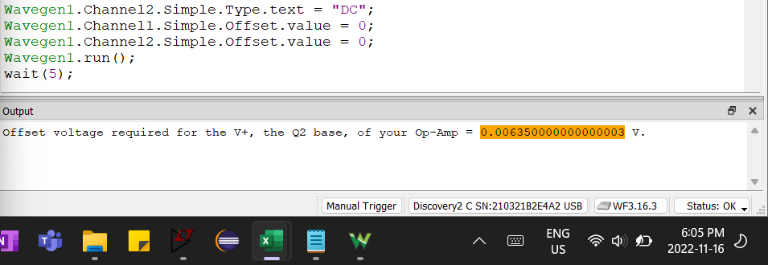
Offset Voltage for Q2
Volt
0.00635

Step 1.13
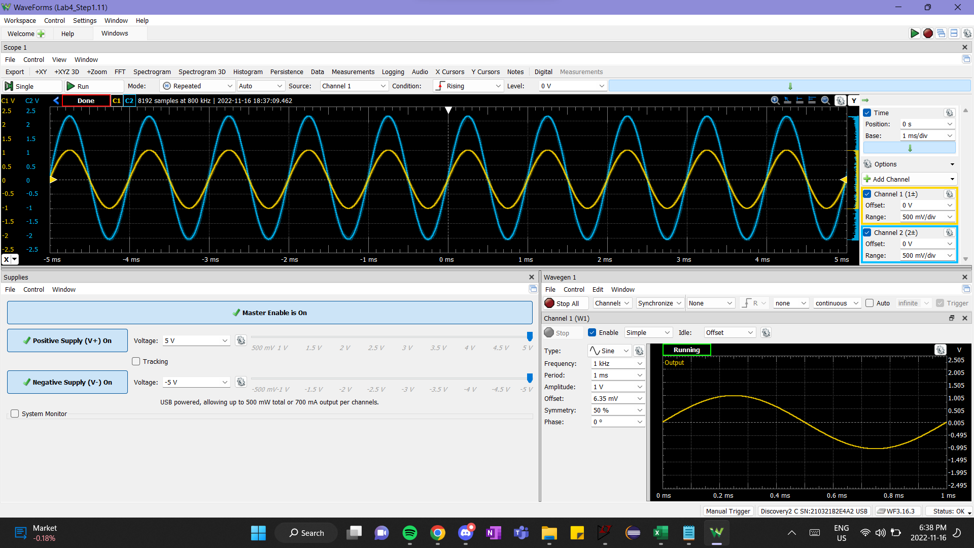
Time (s) | Channel 1 (V) | Channel 2 (V)
-0.0051193229167 | -0.67795479875 | -1.3735207676
-0.0051180729167 | -0.67421157408 | -1.3590115184
-0.0051168229167 | -0.66774600418 | -1.3495636352
-0.0051155729167 | -0.66196102059 | -1.3380912056
-0.0051143229167 | -0.65651633015 | -1.324931654
-0.0051130729167 | -0.6497104671 | -1.3110972536
-0.0051118229167 | -0.64460606982 | -1.3023242192
-0.0051105729167 | -0.63882108623 | -1.286127848
-0.0051093229167 | -0.63133463687 | -1.2716185988
-0.0051080729167 | -0.62554965328 | -1.2604835936
-0.0051068229167 | -0.61976466969 | -1.2466491932
-0.0051055729167 | -0.61295880664 | -1.2341644904
-0.0051043229167 | -0.60819470251 | -1.2226920608
-0.0051030729167 | -0.60138883946 | -1.2125693288
-0.0051018229167 | -0.59424268326 | -1.1909741672
-0.0051005729167 | -0.58913828598 | -1.1795017376
-0.0050993229167 | -0.58199212978 | -1.1666796104
-0.0050980729167 | -0.57620714618 | -1.1568943028
-0.0050968229167 | -0.56906098998 | -1.1406979315
-0.0050955729167 | -0.5639565927 | -1.1299003507
-0.0050943229167 | -0.55715072965 | -1.1153911015
-0.0050930729167 | -0.55102545291 | -1.1035812475
-0.0050918229167 | -0.54353900355 | -1.0877223007
-0.0050905729167 | -0.53741372681 | -1.0708510807
-0.0050893229167 | -0.5295869843 | -1.0570166803
-0.0050880729167 | -0.52516317332 | -1.0485810703
-0.0050868229167 | -0.51767672397 | -1.0306975771
-0.0050855729167 | -0.50984998147 | -1.0128140839
-0.0050843229167 | -0.50474558418 | -1.0033662007
-0.0050830729167 | -0.49691884167 | -0.99020664912
-0.0050818229167 | -0.48909209917 | -0.96861148752
-0.0050805729167 | -0.48398770188 | -0.95848875551
-0.0050793229167 | -0.47718183883 | -0.94566662831
-0.0050780729167 | -0.46935509633 | -0.92913283271
-0.0050768229167 | -0.46357011274 | -0.91766040311
-0.0050755729167 | -0.45676424969 | -0.9018014563
-0.0050743229167 | -0.44893750718 | -0.8835805387
-0.0050730729167 | -0.44247193729 | -0.8741326555
-0.0050718229167 | -0.43532578109 | -0.85658658669
-0.0050705729167 | -0.42783933173 | -0.83870309349
-0.0050693229167 | -0.42069317553 | -0.82554354189
-0.0050680729167 | -0.41456789879 | -0.81170914149
-0.0050668229167 | -0.40640086313 | -0.79382564828
-0.0050655729167 | -0.39925470693 | -0.78235321868
-0.0050643229167 | -0.39312943019 | -0.76683169628
-0.0050630729167 | -0.38428180823 | -0.74996047627
-0.0050618229167 | -0.37679535887 | -0.73106470987
-0.0050605729167 | -0.37169096159 | -0.72127940227
-0.0050593229167 | -0.36284333962 | -0.70407075787
-0.0050580729167 | -0.35569718342 | -0.68888665986
-0.0050568229167 | -0.34991219983 | -0.67403998626
-0.0050555729167 | -0.34174516418 | -0.65885588826
-0.0050543229167 | -0.33323783537 | -0.64063497065
-0.0050530729167 | -0.32779314493 | -0.62983738985
-0.0050518229167 | -0.31962610927 | -0.60891707705
-0.0050505729167 | -0.31213965992 | -0.59643237424
-0.0050493229167 | -0.30499350372 | -0.58091085184
-0.0050480729167 | -0.29818764067 | -0.56437705624
-0.0050468229167 | -0.2886594324 | -0.54683098744
-0.0050455729167 | -0.28049239674 | -0.52861006983
-0.0050443229167 | -0.27368653369 | -0.51646279143
-0.0050430729167 | -0.26654037749 | -0.49756702503
-0.0050418229167 | -0.25973451445 | -0.48474489782
-0.0050405729167 | -0.2536092377 | -0.47057307302
-0.0050393229167 | -0.24340044313 | -0.45167730662
-0.0050380729167 | -0.23659458008 | -0.43446866221
-0.0050368229167 | -0.22876783758 | -0.41928456421
-0.0050355729167 | -0.22094109507 | -0.40342561741
-0.0050343229167 | -0.21311435257 | -0.3848672754
-0.0050330729167 | -0.20562790321 | -0.3720451482
-0.0050318229167 | -0.19882204016 | -0.355848777
-0.0050305729167 | -0.18895353874 | -0.33459103979
-0.0050293229167 | -0.1821476757 | -0.31974436619
-0.0050280729167 | -0.17670298526 | -0.30995905859
-0.0050268229167 | -0.1678553633 | -0.28971359459
-0.0050255729167 | -0.15934803449 | -0.27351722338
-0.0050243229167 | -0.15152129198 | -0.25597115458
-0.0050230729167 | -0.14403484263 | -0.24179932978
-0.0050218229167 | -0.13552751382 | -0.22222871457
-0.0050205729167 | -0.12974253023 | -0.20906916297
-0.0050193229167 | -0.12123520142 | -0.18916112337
-0.0050180729167 | -0.11374875206 | -0.17498929856
-0.0050168229167 | -0.1055817164 | -0.15778065416
-0.0050155729167 | -0.097074387595 | -0.14124685856
-0.0050143229167 | -0.088567058784 | -0.11998912135
-0.0050130729167 | -0.082782075193 | -0.10851669175
-0.0050118229167 | -0.074955332688 | -0.094344866949
-0.0050105729167 | -0.066448003878 | -0.074774251745
-0.0050093229167 | -0.057260088763 | -0.060265002543
-0.0050080729167 | -0.050113932562 | -0.042044084939
-0.0050068229167 | -0.0412663106 | -0.026185138136
-0.0050055729167 | -0.035481327009 | -0.0093139181328
-0.0050043229167 | -0.027314291351 | 0.0095818482708
-0.0050030729167 | -0.018806962541 | 0.023753673073
-0.0050018229167 | -0.010639926883 | 0.042649439477
-0.0050005729167 | -0.0021325980728 | 0.06019550828
-0.0049993229167 | 0.0056941444326 | 0.076391879484
-0.0049980729167 | 0.013180593786 | 0.089551431086
-0.0049968229167 | 0.018965577376 | 0.10777234869
-0.0049955729167 | 0.026792319882 | 0.12363129549
-0.0049943229167 | 0.035980234997 | 0.1394902423
-0.0049930729167 | 0.043126391197 | 0.1550117647
-0.0049918229167 | 0.052994892617 | 0.1762695019
-0.0049905729167 | 0.060821635123 | 0.19179102431
-0.0049893229167 | 0.067287205018 | 0.20630027351
-0.0049880729167 | 0.075113947524 | 0.22013467391
-0.0049868229167 | 0.083961569486 | 0.24442923072
-0.0049855729167 | 0.090767432534 | 0.25927590432
-0.0049843229167 | 0.097913588735 | 0.27176060712
-0.0049830729167 | 0.10778209015 | 0.28930667592
-0.0049818229167 | 0.11288648744 | 0.30550304713
-0.0049805729167 | 0.12241469571 | 0.32304911593
-0.0049793229167 | 0.13092202452 | 0.33722094073
-0.0049780729167 | 0.13908906018 | 0.35679155594
-0.0049768229167 | 0.14521433692 | 0.37197565394
-0.0049755729167 | 0.15338137258 | 0.38884687394
-0.0049743229167 | 0.16086782193 | 0.40571809395
-0.0049730729167 | 0.16869456444 | 0.41719052355
-0.0049718229167 | 0.17652130694 | 0.43709856315
-0.0049705729167 | 0.18434804945 | 0.45430720756
-0.0049693229167 | 0.1918344988 | 0.47050357876
-0.0049680729167 | 0.1996612413 | 0.48535025236
-0.0049668229167 | 0.20714769066 | 0.50492086757
-0.0049655729167 | 0.21361326055 | 0.51200677997
-0.0049643229167 | 0.22212058936 | 0.53123997077
-0.0049630729167 | 0.23130850448 | 0.55317255677
-0.0049618229167 | 0.23811436753 | 0.56565725958
-0.0049605729167 | 0.24594111003 | 0.58320332838
-0.0049593229167 | 0.25444843884 | 0.59838742638
-0.0049580729167 | 0.25989312928 | 0.61053470479
-0.0049568229167 | 0.26840045809 | 0.62943047119
-0.0049555729167 | 0.2769077869 | 0.64630169119
-0.0049543229167 | 0.28439423625 | 0.6618232136
-0.0049530729167 | 0.2912000993 | 0.6786944336
-0.0049518229167 | 0.2976656692 | 0.6932036828
-0.0049505729167 | 0.30583270486 | 0.707712932
-0.0049493229167 | 0.31297886106 | 0.72458415201
-0.0049480729167 | 0.32216677617 | 0.74213022081
-0.0049468229167 | 0.32931293237 | 0.75630204561
-0.0049455729167 | 0.33509791596 | 0.76844932402
-0.0049443229167 | 0.34292465847 | 0.78768251482
-0.0049430729167 | 0.35109169413 | 0.80185433962
-0.0049418229167 | 0.35823785033 | 0.81737586202
-0.0049405729167 | 0.36470342022 | 0.83188511123
-0.0049393229167 | 0.37355104219 | 0.84976860443
-0.0049380729167 | 0.38137778469 | 0.86798952203
-0.0049368229167 | 0.38682247513 | 0.87811225404
-0.0049355729167 | 0.39532980394 | 0.89532089844
-0.0049343229167 | 0.40315654644 | 0.90983014764
-0.0049330729167 | 0.40928182319 | 0.92602651885
-0.0049318229167 | 0.41608768624 | 0.93851122165
-0.0049305729167 | 0.42425472189 | 0.95538244165
-0.0049293229167 | 0.42935911918 | 0.96651744685
-0.0049280729167 | 0.43786644799 | 0.98406351566
-0.0049268229167 | 0.4456931905 | 1.0009347357
-0.0049255729167 | 0.45147817409 | 1.0117323165
-0.0049243229167 | 0.45862433029 | 1.0286035365
-0.0049230729167 | 0.46543019334 | 1.0421005125
-0.0049218229167 | 0.47257634954 | 1.0582968837
-0.0049205729167 | 0.48040309204 | 1.0714564353
-0.0049193229167 | 0.48720895509 | 1.0890025041
-0.0049180729167 | 0.49333423183 | 1.1014872069
-0.0049168229167 | 0.49979980173 | 1.1139719097
-0.0049155729167 | 0.50830713054 | 1.1315179785
-0.0049143229167 | 0.51375182098 | 1.1426529837
-0.0049130729167 | 0.52021739087 | 1.1548002621
-0.0049118229167 | 0.52668296077 | 1.1696469357
-0.0049105729167 | 0.53382911697 | 1.1828064873
-0.0049093229167 | 0.53995439371 | 1.1990028585
-0.0049080729167 | 0.54744084307 | 1.2128372589
-0.0049068229167 | 0.55458699927 | 1.2263342349
-0.0049055729167 | 0.55969139655 | 1.2401686353
-0.0049043229167 | 0.5664972596 | 1.2550153089
-0.0049030729167 | 0.57398370895 | 1.2678374361
-0.0049018229167 | 0.57908810624 | 1.2782975925
-0.0049005729167 | 0.58691484874 | 1.2988804809
-0.0048993229167 | 0.59201924603 | 1.3056289689
-0.0048980729167 | 0.59780422962 | 1.3184510961
-0.0048968229167 | 0.60495038582 | 1.3329603453
-0.0048955729167 | 0.61141595572 | 1.3464573213
-0.0048943229167 | 0.61788152561 | 1.3589420241
-0.0048930729167 | 0.62536797497 | 1.3754758197
-0.0048918229167 | 0.63217383802 | 1.3882979469
-0.0048905729167 | 0.63523647639 | 1.3950464349
-0.0048893229167 | 0.64136175313 | 1.4082059865
-0.0048880729167 | 0.64816761618 | 1.4217029625
-0.0048868229167 | 0.65565406553 | 1.4368870605
-0.0048855729167 | 0.66109875597 | 1.4517337341
-0.0048843229167 | 0.66552256695 | 1.4594944953
-0.0048830729167 | 0.67334930946 | 1.4729914713
-0.0048818229167 | 0.67777312044 | 1.4875007206
-0.0048805729167 | 0.68321781088 | 1.4966111794
-0.0048793229167 | 0.68968338077 | 1.5084210334
-0.0048780729167 | 0.69546836436 | 1.5188811898
-0.0048768229167 | 0.7002324685 | 1.5313658926
-0.0048755729167 | 0.70567715894 | 1.5448628686
-0.0048743229167 | 0.71078155622 | 1.551948781
-0.0048730729167 | 0.71826800557 | 1.567132879
-0.0048718229167 | 0.72337240286 | 1.5779304598
-0.0048705729167 | 0.72847680015 | 1.5904151626
-0.0048693229167 | 0.73324090428 | 1.600875319
-0.0048680729167 | 0.73970647418 | 1.6136974462
-0.0048668229167 | 0.74481087146 | 1.6238201782
-0.0048655729167 | 0.7502555619 | 1.6339429102
-0.0048643229167 | 0.75501966603 | 1.646427613
-0.0048630729167 | 0.75978377017 | 1.6555380718
-0.0048618229167 | 0.76556875376 | 1.6680227746
-0.0048605729167 | 0.76999256474 | 1.6754461114
-0.0048593229167 | 0.77475666887 | 1.6842191458
-0.0048580729167 | 0.77952077301 | 1.6950167266
-0.0048568229167 | 0.78564604975 | 1.7098634002
-0.0048555729167 | 0.79109074019 | 1.7196487078
-0.0048543229167 | 0.79483396487 | 1.7247100738
-0.0048530729167 | 0.80061894846 | 1.7412438694
-0.0048518229167 | 0.80436217313 | 1.7479923574
-0.0048505729167 | 0.80844569096 | 1.7564279674
-0.0048493229167 | 0.8138903814 | 1.7702623678
-0.0048480729167 | 0.81899477869 | 1.7773482802
-0.0048468229167 | 0.82307829652 | 1.7844341926
-0.0048455729167 | 0.8275021075 | 1.789832983
-0.0048443229167 | 0.83158562533 | 1.8013054126
-0.0048430729167 | 0.83634972946 | 1.810078447
-0.0048418229167 | 0.83941236783 | 1.8188514814
-0.0048405729167 | 0.84383617881 | 1.8293116378
-0.0048393229167 | 0.84860028295 | 1.8347104282
-0.0048380729167 | 0.85302409393 | 1.848882253
-0.0048368229167 | 0.85710761176 | 1.8546184678
-0.0048355729167 | 0.86119112959 | 1.8617043802
-0.0048343229167 | 0.86595523372 | 1.874189083
-0.0048330729167 | 0.86935816524 | 1.8789130246
-0.0048318229167 | 0.87310138992 | 1.8873486346
-0.0048305729167 | 0.8775252009 | 1.8971339422
-0.0048293229167 | 0.88160871873 | 1.9069192498
-0.0048280729167 | 0.88433106395 | 1.9082689474
-0.0048268229167 | 0.88773399547 | 1.918054255
-0.0048255729167 | 0.89147722015 | 1.924802743
-0.0048243229167 | 0.89658161744 | 1.934925475
-0.0048230729167 | 0.89930396266 | 1.9436985094
-0.0048218229167 | 0.90236660103 | 1.9497721486
-0.0048205729167 | 0.9061098257 | 1.9565206366
-0.0048193229167 | 0.90951275723 | 1.9666433686
-0.0048180729167 | 0.91291568875 | 1.9750789786
-0.0048168229167 | 0.91733949973 | 1.9814900422
-0.0048155729167 | 0.92006184495 | 1.9875636814
-0.0048143229167 | 0.92142301756 | 1.988913379
-0.0048130729167 | 0.92448565593 | 1.9983612623
-0.0048118229167 | 0.92822888061 | 2.0037600527
-0.0048105729167 | 0.93163181213 | 2.0121956627
-0.0048093229167 | 0.93537503681 | 2.0169196043
-0.0048080729167 | 0.93673620942 | 2.0213061215
-0.0048068229167 | 0.93979884779 | 2.0270423363
-0.0048055729167 | 0.94252119301 | 2.0344656731
-0.0048043229167 | 0.94592412454 | 2.0425638587
-0.0048030729167 | 0.94932705606 | 2.0483000735
-0.0048018229167 | 0.95136881497 | 2.0506620443
-0.0048005729167 | 0.95443145335 | 2.0587602299
-0.0047993229167 | 0.95579262595 | 2.0597725031
-0.0047980729167 | 0.95749409172 | 2.0628093227
-0.0047968229167 | 0.96123731639 | 2.0729320547
-0.0047955729167 | 0.9619179027 | 2.0739443279
-0.0047943229167 | 0.96498054107 | 2.0769811475
-0.0047930729167 | 0.96770288629 | 2.0850793331
-0.0047918229167 | 0.97110581781 | 2.0877787283
-0.0047905729167 | 0.97178640412 | 2.0904781235
-0.0047893229167 | 0.97382816303 | 2.0962143383
-0.0047880729167 | 0.97552962879 | 2.1006008555
-0.0047868229167 | 0.97893256032 | 2.1063370703
-0.0047855729167 | 0.97995343978 | 2.1120732851
-0.0047843229167 | 0.98097431923 | 2.1076867679
-0.0047830729167 | 0.98131461239 | 2.1124107095
-0.0047818229167 | 0.98369666445 | 2.1164598023
-0.0047805729167 | 0.98607871652 | 2.1205088951
-0.0047793229167 | 0.98778018228 | 2.1252328367
-0.0047780729167 | 0.98948164804 | 2.1265825343
-0.0047768229167 | 0.99118311381 | 2.1316439003
-0.0047755729167 | 0.99118311381 | 2.1292819295
-0.0047743229167 | 0.99186370011 | 2.1326561735
-0.0047730729167 | 0.99560692479 | 2.1410917835
-0.0047718229167 | 0.99560692479 | 2.1397420859
-0.0047705729167 | 0.99662780424 | 2.1424414811
-0.0047693229167 | 0.99730839055 | 2.1437911787
-0.0047680729167 | 0.99798897685 | 2.1458157251
-0.0047668229167 | 0.99969044262 | 2.1491899691
-0.0047655729167 | 0.99866956316 | 2.1458157251
-0.0047643229167 | 1.0000307358 | 2.1518893643
-0.0047630729167 | 1.0013919084 | 2.1630243695
-0.0047618229167 | 1.002753081 | 2.1640366427
-0.0047605729167 | 1.0034336673 | 2.1636992183
-0.0047593229167 | 1.0030933741 | 2.1620120963
-0.0047580729167 | 1.0034336673 | 2.1630243695
-0.0047568229167 | 1.0054754262 | 2.1663986135
-0.0047555729167 | 1.0044545467 | 2.1670734623
-0.0047543229167 | 1.0047948399 | 2.1684231599
-0.0047530729167 | 1.0051351331 | 2.1724722527
-0.0047518229167 | 1.0058157194 | 2.1714599795
-0.0047505729167 | 1.0064963057 | 2.1704477063
-0.0047493229167 | 1.0054754262 | 2.1704477063
-0.0047480729167 | 1.0054754262 | 2.1697728575
-0.0047468229167 | 1.0047948399 | 2.1670734623
-0.0047455729167 | 1.0041142536 | 2.1663986135
-0.0047443229167 | 1.0054754262 | 2.1643740671
-0.0047430729167 | 1.0047948399 | 2.1630243695
-0.0047418229167 | 1.0047948399 | 2.1680857355
-0.0047405729167 | 1.0047948399 | 2.1616746719
-0.0047393229167 | 1.0041142536 | 2.1626869451
-0.0047380729167 | 1.0034336673 | 2.1616746719
-0.0047368229167 | 1.0017322015 | 2.1586378523
-0.0047355729167 | 1.0017322015 | 2.1556010327
-0.0047343229167 | 1.0013919084 | 2.1569507303
-0.0047330729167 | 1.0007113221 | 2.1572881547
-0.0047318229167 | 1.0003710289 | 2.1508770911
-0.0047305729167 | 0.99900985631 | 2.1512145155
-0.0047293229167 | 0.9976486837 | 2.1485151203
-0.0047280729167 | 0.9969680974 | 2.1444660275
-0.0047268229167 | 0.99628751109 | 2.1434537543
-0.0047255729167 | 0.99424575218 | 2.1383923883
-0.0047243229167 | 0.99322487272 | 2.1373801151
-0.0047230729167 | 0.99152340696 | 2.1326561735
-0.0047218229167 | 0.99118311381 | 2.1350181443
-0.0047205729167 | 0.9905025275 | 2.1265825343
-0.0047193229167 | 0.98914135489 | 2.1279322319
-0.0047180729167 | 0.98675930282 | 2.1208463195
-0.0047168229167 | 0.98539813021 | 2.1164598023
-0.0047155729167 | 0.9833563713 | 2.1127481339
-0.0047143229167 | 0.98233549184 | 2.1083616167
-0.0047130729167 | 0.97995343978 | 2.1033002507
-0.0047118229167 | 0.97791168086 | 2.1036376751
-0.0047105729167 | 0.9762102151 | 2.1012757043
-0.0047093229167 | 0.97518933564 | 2.0972266115
-0.0047080729167 | 0.97280728358 | 2.0908155479
-0.0047068229167 | 0.97144611097 | 2.0877787283
-0.0047055729167 | 0.96838347259 | 2.0830547867
-0.0047043229167 | 0.96668200683 | 2.0800179671
-0.0047030729167 | 0.96498054107 | 2.0739443279
-0.0047018229167 | 0.96293878216 | 2.0678706887
-0.0047005729167 | 0.96021643694 | 2.0590976543
-0.0046993229167 | 0.95749409172 | 2.0567356835
-0.0046980729167 | 0.95511203965 | 2.0479626491
-0.0046968229167 | 0.95170910813 | 2.0479626491
-0.0046955729167 | 0.95034793552 | 2.0442509807
-0.0046943229167 | 0.94728529714 | 2.0351405219
-0.0046930729167 | 0.94456295193 | 2.0280546095
-0.0046918229167 | 0.94081972725 | 2.0196189995
-0.0046905729167 | 0.93911826149 | 2.0196189995
-0.0046893229167 | 0.93571532996 | 2.0121956627
-0.0046880729167 | 0.93367357105 | 2.0047723259
-0.0046868229167 | 0.93027063952 | 1.9983612623
-0.0046855729167 | 0.9275482943 | 1.9929624718
-0.0046843229167 | 0.92380506963 | 1.983852013
-0.0046830729167 | 0.92108272441 | 1.9760912518
-0.0046818229167 | 0.91802008604 | 1.9723795834
-0.0046805729167 | 0.91495744767 | 1.9676556418
-0.0046793229167 | 0.91223510245 | 1.9588826074
-0.0046780729167 | 0.90747099831 | 1.950109573
-0.0046768229167 | 0.90406806679 | 1.9443733582
-0.0046755729167 | 0.89930396266 | 1.934925475
-0.0046743229167 | 0.89692191059 | 1.9254775918
-0.0046730729167 | 0.89556073798 | 1.9234530454
-0.0046718229167 | 0.8918175133 | 1.9183916794
-0.0046705729167 | 0.88603252971 | 1.907931523
-0.0046693229167 | 0.88228930503 | 1.8967965178
-0.0046680729167 | 0.87956695982 | 1.8913977274
-0.0046668229167 | 0.87650432144 | 1.8870112102
-0.0046655729167 | 0.87174021731 | 1.8701399902
-0.0046643229167 | 0.86799699263 | 1.8671031706
-0.0046630729167 | 0.8639134748 | 1.8586675606
-0.0046618229167 | 0.85982995698 | 1.8485448286
-0.0046605729167 | 0.85472555969 | 1.8374098234
-0.0046593229167 | 0.85166292132 | 1.8306613354
-0.0046580729167 | 0.84723911034 | 1.8208760278
-0.0046568229167 | 0.84315559251 | 1.8141275398
-0.0046555729167 | 0.83941236783 | 1.8063667786
-0.0046543229167 | 0.83396767739 | 1.7894955586
-0.0046530729167 | 0.83022445272 | 1.7874710122
-0.0046518229167 | 0.82546034858 | 1.772961763
-0.0046505729167 | 0.8210365376 | 1.7648635774
-0.0046493229167 | 0.81593214032 | 1.7550782698
-0.0046480729167 | 0.81184862249 | 1.7456303866
-0.0046468229167 | 0.80810539781 | 1.7351702302
-0.0046455729167 | 0.80266070737 | 1.7203235566
-0.0046443229167 | 0.79789660324 | 1.7152621906
-0.0046430729167 | 0.79347279226 | 1.7064891562
-0.0046418229167 | 0.78734751551 | 1.695354151
-0.0046405729167 | 0.78156253192 | 1.6821945994
-0.0046393229167 | 0.77952077301 | 1.6744338382
-0.0046380729167 | 0.77305520311 | 1.664985955
-0.0046368229167 | 0.76829109898 | 1.6511515546
-0.0046355729167 | 0.76318670169 | 1.6406913982
-0.0046343229167 | 0.7574017181 | 1.6285441198
-0.0046330729167 | 0.75195702766 | 1.617746539
-0.0046318229167 | 0.74719292353 | 1.6039121386
-0.0046305729167 | 0.74208852624 | 1.5937894066
-0.0046293229167 | 0.73562295635 | 1.580629855
-0.0046280729167 | 0.73187973167 | 1.5732065182
-0.0046268229167 | 0.72677533438 | 1.5610592398
-0.0046255729167 | 0.72065005764 | 1.5492493858
-0.0046243229167 | 0.71622624666 | 1.538451805
-0.0046230729167 | 0.70908009046 | 1.524954829
-0.0046218229167 | 0.70329510687 | 1.5141572482
-0.0046205729167 | 0.69853100273 | 1.504709365
-0.0046193229167 | 0.6937668986 | 1.497960877
-0.0046180729167 | 0.68730132871 | 1.4807522326
-0.0046168229167 | 0.67981487935 | 1.4648932857
-0.0046155729167 | 0.67607165468 | 1.4561202513
-0.0046143229167 | 0.66824491217 | 1.4402613045
-0.0046130729167 | 0.66416139434 | 1.4298011481
-0.0046118229167 | 0.6580361176 | 1.4173164453
-0.0046105729167 | 0.65191084085 | 1.4048317425
-0.0046093229167 | 0.64544527096 | 1.3943715861
-0.0046080729167 | 0.63897970106 | 1.3795249125
-0.0046068229167 | 0.63353501062 | 1.3667027853
-0.0046055729167 | 0.62809032019 | 1.3545555069
-0.0046043229167 | 0.62128445714 | 1.3407211065
-0.0046030729167 | 0.6158397667 | 1.3255370085
-0.0046018229167 | 0.60801302419 | 1.3130523057
-0.0046005729167 | 0.60256833376 | 1.3025921493
-0.0045993229167 | 0.59644305701 | 1.2877454757
-0.0045980729167 | 0.58963719396 | 1.2712116801
-0.0045968229167 | 0.58351191722 | 1.2614263725
-0.0045955729167 | 0.57840751993 | 1.2472545477
-0.0045943229167 | 0.57126136373 | 1.2300459033
-0.0045930729167 | 0.56479579384 | 1.2209354445
-0.0045918229167 | 0.55833022394 | 1.2047390733
-0.0045905729167 | 0.54982289513 | 1.1882052777
-0.0045893229167 | 0.54539908415 | 1.1797696677
-0.0045880729167 | 0.5385932211 | 1.1608739013
-0.0045868229167 | 0.53246794436 | 1.1490640473
-0.0045855729167 | 0.52498149501 | 1.1345547981
-0.0045843229167 | 0.51749504565 | 1.1190332757
-0.0045830729167 | 0.51102947576 | 1.1031743289
-0.0045818229167 | 0.50422361271 | 1.0906896261
-0.0045805729167 | 0.49707745651 | 1.0768552257
-0.0045793229167 | 0.48993130031 | 1.0569471861
-0.0045780729167 | 0.48414631672 | 1.0481741517
-0.0045768229167 | 0.47700016052 | 1.0319777805
-0.0045755729167 | 0.47019429747 | 1.0181433801
-0.0045743229167 | 0.46270784812 | 1.0016095845
-0.0045730729167 | 0.45624227822 | 0.98979973046
-0.0045718229167 | 0.45011700148 | 0.97427820805
-0.0045705729167 | 0.44160967267 | 0.95706956365
-0.0045693229167 | 0.43412322331 | 0.94357258765
-0.0045680729167 | 0.42867853288 | 0.92771364085
-0.0045668229167 | 0.42085179037 | 0.91489151364
-0.0045655729167 | 0.41302504786 | 0.89802029364
-0.0045643229167 | 0.40724006427 | 0.88486074204
-0.0045630729167 | 0.39907302862 | 0.86967664403
-0.0045618229167 | 0.39192687242 | 0.85044345323
-0.0045605729167 | 0.38478071621 | 0.83897102363
-0.0045593229167 | 0.37763456001 | 0.82041268163
-0.0045580729167 | 0.37048840381 | 0.80894025202
-0.0045568229167 | 0.36334224761 | 0.79476842722
-0.0045555729167 | 0.3541543325 | 0.77283584122
-0.0045543229167 | 0.34734846945 | 0.75630204561
-0.0045530729167 | 0.3405426064 | 0.74516704041
-0.0045518229167 | 0.33373674335 | 0.73099521561
-0.0045505729167 | 0.326250294 | 0.7117620248
-0.0045493229167 | 0.31944443095 | 0.6996147464
-0.0045480729167 | 0.30991622269 | 0.6786944336
-0.0045468229167 | 0.30311035964 | 0.6631729112
-0.0045455729167 | 0.29426273767 | 0.64528941799
-0.0045443229167 | 0.28847775408 | 0.63550411039
-0.0045430729167 | 0.28133159788 | 0.61492122199
-0.0045418229167 | 0.27384514853 | 0.60176167038
-0.0045405729167 | 0.26499752657 | 0.58354075278
-0.0045393229167 | 0.25751107721 | 0.56835665478
-0.0045380729167 | 0.24934404156 | 0.55249770797
-0.0045368229167 | 0.24355905797 | 0.54035042957
-0.0045355729167 | 0.23573231546 | 0.52010496557
-0.0045343229167 | 0.22654440035 | 0.50222147236
-0.0045330729167 | 0.2197385373 | 0.49142389156
-0.0045318229167 | 0.21191179479 | 0.47016615436
-0.0045305729167 | 0.20374475913 | 0.45329493436
-0.0045293229167 | 0.19659860293 | 0.44114765595
-0.0045280729167 | 0.18945244673 | 0.42393901155
-0.0045268229167 | 0.18230629053 | 0.40639294275
-0.0045255729167 | 0.17277808226 | 0.38850944954
-0.0045243229167 | 0.1639304603 | 0.37265050274
-0.0045230729167 | 0.15746489041 | 0.35712898034
-0.0045218229167 | 0.14929785475 | 0.34059518473
-0.0045205729167 | 0.14419345746 | 0.32912275513
-0.0045193229167 | 0.1353458355 | 0.30853986673
-0.0045180729167 | 0.12649821354 | 0.29065637352
-0.0045168229167 | 0.11969235049 | 0.27580969992
-0.0045155729167 | 0.11186560798 | 0.25657650912
-0.0045143229167 | 0.10369857233 | 0.24139241111
-0.0045130729167 | 0.095191243516 | 0.22755801071
-0.0045118229167 | 0.088045087315 | 0.20731254671
-0.0045105729167 | 0.078176585895 | 0.18942905351
-0.0045093229167 | 0.072051309152 | 0.1769443507
-0.0045080729167 | 0.064224566647 | 0.1556866135
-0.0045068229167 | 0.056057530989 | 0.1401650911
-0.0045055729167 | 0.048911374788 | 0.12970493469
-0.0045043229167 | 0.042445804893 | 0.11249629029
-0.0045030729167 | 0.032577303473 | 0.089888855486
-0.0045018229167 | 0.02372968151 | 0.074029908683
-0.0045005729167 | 0.016923818462 | 0.05985808388
-0.0044993229167 | 0.0097776622615 | 0.042649439477
-0.0044980729167 | 0.00093004029886 | 0.023753673073
-0.0044968229167 | -0.0058758227493 | 0.011943819071
-0.0044955729167 | -0.013362272102 | -0.0089764937328
-0.0044943229167 | -0.02289048037 | -0.025847713736
-0.0044930729167 | -0.030376929723 | -0.042381509339
-0.0044918229167 | -0.037523085923 | -0.053179090141
-0.0044905729167 | -0.046030414733 | -0.076123949346
-0.0044893229167 | -0.053516864086 | -0.086921530148
-0.0044880729167 | -0.060322727135 | -0.10615472095
-0.0044868229167 | -0.06951064225 | -0.12538791175
-0.0044855729167 | -0.075976212145 | -0.13686034136
-0.0044843229167 | -0.08516412726 | -0.16014262496
-0.0044830729167 | -0.091629697156 | -0.17228990336
-0.0044818229167 | -0.099796732814 | -0.18544945497
-0.0044805729167 | -0.10796376847 | -0.20670719217
-0.0044793229167 | -0.11715168359 | -0.22594038297
-0.0044780729167 | -0.12429783979 | -0.24247417858
-0.0044768229167 | -0.13178428914 | -0.25428403258
-0.0044755729167 | -0.13790956588 | -0.27048040378
-0.0044743229167 | -0.1477780673 | -0.29140071659
-0.0044730729167 | -0.1542436372 | -0.30287314619
-0.0044718229167 | -0.1620703797 | -0.31974436619
-0.0044705729167 | -0.17125829482 | -0.3420143766
-0.0044693229167 | -0.17738357156 | -0.3497751378
-0.0044680729167 | -0.18555060722 | -0.372719997
-0.0044668229167 | -0.19303705657 | -0.3835175778
-0.0044655729167 | -0.20086379908 | -0.40342561741
-0.0044643229167 | -0.20869054158 | -0.41962198861
-0.0044630729167 | -0.21583669778 | -0.43514351101
-0.0044618229167 | -0.2250246129 | -0.45133988222
-0.0044605729167 | -0.23114988964 | -0.46652398022
-0.0044593229167 | -0.24033780476 | -0.48778171742
-0.0044580729167 | -0.24884513357 | -0.50026642023
-0.0044568229167 | -0.25428982401 | -0.51477566943
-0.0044555729167 | -0.26245685966 | -0.53232173823
-0.0044543229167 | -0.27028360217 | -0.54818068504
-0.0044530729167 | -0.27742975837 | -0.56336478304
-0.0044518229167 | -0.28389532827 | -0.57686175904
-0.0044505729167 | -0.29274295023 | -0.59744464745
-0.0044493229167 | -0.29954881328 | -0.60722995505
-0.0044480729167 | -0.30771584893 | -0.62949996545
-0.0044468229167 | -0.31554259144 | -0.64367179025
-0.0044455729167 | -0.32132757503 | -0.65480679546
-0.0044443229167 | -0.32949461069 | -0.67505225946
-0.0044430729167 | -0.33732135319 | -0.68956150866
-0.0044418229167 | -0.34480780255 | -0.70677015307
-0.0044405729167 | -0.35195395875 | -0.71891743147
-0.0044393229167 | -0.3594404081 | -0.73612607587
-0.0044380729167 | -0.36522539169 | -0.74692365667
-0.0044368229167 | -0.3737327205 | -0.76649427188
-0.0044355729167 | -0.3801982904 | -0.78167836988
-0.0044343229167 | -0.38870561921 | -0.79551277028
-0.0044330729167 | -0.39653236171 | -0.81204656589
-0.0044318229167 | -0.40197705215 | -0.82993005909
-0.0044305729167 | -0.4094635015 | -0.83904051789
-0.0044293229167 | -0.4152484851 | -0.85489946469
-0.0044280729167 | -0.42341552075 | -0.8700835627
-0.0044268229167 | -0.43124226326 | -0.8886419047
-0.0044255729167 | -0.43838841946 | -0.9014640319
-0.0044243229167 | -0.44587486881 | -0.91732297871
-0.0044230729167 | -0.45234043871 | -0.93081995471
-0.0044218229167 | -0.46016718121 | -0.94566662831
-0.0044205729167 | -0.46391040589 | -0.95511451151
-0.0044193229167 | -0.47275802785 | -0.97299800472
-0.0044180729167 | -0.4788833046 | -0.98851952712
-0.0044168229167 | -0.4860294608 | -1.0037036251
-0.0044155729167 | -0.49419649645 | -1.0175380255
-0.0044143229167 | -0.49964118689 | -1.0306975771
-0.0044130729167 | -0.50678734309 | -1.0458816751
-0.0044118229167 | -0.51359320614 | -1.0617406219
-0.0044105729167 | -0.52039906919 | -1.0755750223
-0.0044093229167 | -0.52686463909 | -1.0880597251
-0.0044080729167 | -0.53435108844 | -1.1042560963
-0.0044068229167 | -0.54013607203 | -1.1177530723
-0.0044055729167 | -0.54592105562 | -1.1282132287
-0.0044043229167 | -0.55272691867 | -1.1420476291
-0.0044030729167 | -0.55987307487 | -1.1585814248
-0.0044018229167 | -0.56599835161 | -1.1690415812
-0.0044005729167 | -0.57212362836 | -1.1791643132
-0.0043993229167 | -0.57790861195 | -1.1980600796
-0.0043980729167 | -0.58437418184 | -1.2091950848
-0.0043968229167 | -0.58981887228 | -1.222017212
-0.0043955729167 | -0.59866649424 | -1.2375387344
-0.0043943229167 | -0.60581265044 | -1.2510357104
-0.0043930729167 | -0.61057675458 | -1.2631829888
-0.0043918229167 | -0.61670203132 | -1.2739805696
-0.0043905729167 | -0.62146613545 | -1.2874775456
-0.0043893229167 | -0.62793170535 | -1.2992873996
-0.0043880729167 | -0.6347375684 | -1.314808922
-0.0043868229167 | -0.64086284514 | -1.3269562004
-0.0043855729167 | -0.64562694928 | -1.3360666592
-0.0043843229167 | -0.65175222602 | -1.350238484
-0.0043830729167 | -0.65753720961 | -1.362048338
-0.0043818229167 | -0.6633221932 | -1.3735207676
-0.0043805729167 | -0.67012805625 | -1.3887048656
-0.0043793229167 | -0.67591303984 | -1.4018644172
-0.0043780729167 | -0.68135773028 | -1.410974876
-0.0043768229167 | -0.68646212756 | -1.4214350324
-0.0043755729167 | -0.69258740431 | -1.4366191304
-0.0043743229167 | -0.69803209475 | -1.4443798916
-0.0043730729167 | -0.70483795779 | -1.4592265652
-0.0043718229167 | -0.70858118247 | -1.4669873264
-0.0043705729167 | -0.71436616606 | -1.480146878
-0.0043693229167 | -0.7191302702 | -1.4889199124
-0.0043680729167 | -0.72525554694 | -1.5047788592
-0.0043668229167 | -0.72967935792 | -1.5111899228
-0.0043655729167 | -0.73648522097 | -1.5267114452
-0.0043643229167 | -0.7412493251 | -1.5351470552
-0.0043630729167 | -0.74635372239 | -1.5489814556
-0.0043618229167 | -0.75077753337 | -1.5557299436
-0.0043605729167 | -0.75656251696 | -1.5688894952
-0.0043593229167 | -0.76166691425 | -1.5823864712
-0.0043580729167 | -0.76677131153 | -1.5908220812
-0.0043568229167 | -0.77119512251 | -1.598245418
-0.0043555729167 | -0.77595922665 | -1.6070184524
-0.0043543229167 | -0.78072333078 | -1.6191657308
-0.0043530729167 | -0.78684860752 | -1.6282761896
-0.0043518229167 | -0.79161271166 | -1.640423468
-0.0043505729167 | -0.79637681579 | -1.6502087756
-0.0043493229167 | -0.79943945416 | -1.6569572636
-0.0043480729167 | -0.80590502406 | -1.6741659081
-0.0043468229167 | -0.80794678297 | -1.6755156057
-0.0043455729167 | -0.81305118026 | -1.6815892449
-0.0043443229167 | -0.81815557755 | -1.6923868257
-0.0043430729167 | -0.82291968168 | -1.7014972845
-0.0043418229167 | -0.82734349266 | -1.7109451677
-0.0043405729167 | -0.8321075968 | -1.7200556265
-0.0043393229167 | -0.83687170093 | -1.7308532073
-0.0043380729167 | -0.83823287354 | -1.7311906317
-0.0043368229167 | -0.84469844343 | -1.7473870029
-0.0043355729167 | -0.84844166811 | -1.7554851885
-0.0043343229167 | -0.85116401333 | -1.7585220081
-0.0043330729167 | -0.85490723801 | -1.7686447401
-0.0043318229167 | -0.85933104899 | -1.7797797453
-0.0043305729167 | -0.86443544627 | -1.7855159601
-0.0043293229167 | -0.86681749834 | -1.7926018725
-0.0043280729167 | -0.87226218878 | -1.8027246045
-0.0043268229167 | -0.87532482715 | -1.8104853657
-0.0043255729167 | -0.88076951759 | -1.8216203709
-0.0043243229167 | -0.88179039705 | -1.8222952197
-0.0043230729167 | -0.88485303542 | -1.8297185565
-0.0043218229167 | -0.88791567379 | -1.8378167421
-0.0043205729167 | -0.89302007108 | -1.8469272009
-0.0043193229167 | -0.89676329575 | -1.8543505377
-0.0043180729167 | -0.89914534782 | -1.8583996305
-0.0043168229167 | -0.9035691588 | -1.8671726649
-0.0043155729167 | -0.90561091772 | -1.8729088797
-0.0043143229167 | -0.90935414239 | -1.8783076701
-0.0043130729167 | -0.91275707392 | -1.8877555533
-0.0043118229167 | -0.91479883283 | -1.8945040413
-0.0043105729167 | -0.91854205751 | -1.8988905585
-0.0043093229167 | -0.92024352327 | -1.9032770757
-0.0043080729167 | -0.92398674795 | -1.9093507149
-0.0043068229167 | -0.92602850686 | -1.9167740517
-0.0043055729167 | -0.92875085208 | -1.9201482957
-0.0043043229167 | -0.93351495621 | -1.9295961789
-0.0043030729167 | -0.93657759458 | -1.9349949693
-0.0043018229167 | -0.93657759458 | -1.9356698181
-0.0043005729167 | -0.93895964665 | -1.9420808817
-0.0042993229167 | -0.94202228502 | -1.9474796721
-0.0042980729167 | -0.94440433709 | -1.9515287649
-0.0042968229167 | -0.94814756177 | -1.9606392237
-0.0042955729167 | -0.94984902753 | -1.9616514969
-0.0042943229167 | -0.95189078644 | -1.9680625605
-0.0042930729167 | -0.95325195905 | -1.9724490777
-0.0042918229167 | -0.95597430427 | -1.9764981705
-0.0042905729167 | -0.95835635634 | -1.9791975657
-0.0042893229167 | -0.96073840841 | -1.9835840829
-0.0042880729167 | -0.96243987417 | -1.9889828733
-0.0042868229167 | -0.96414133993 | -1.9913448441
-0.0042855729167 | -0.96482192623 | -1.9933693905
-0.0042843229167 | -0.96754427145 | -1.9987681809
-0.0042830729167 | -0.96856515091 | -2.0028172737
-0.0042818229167 | -0.97026661667 | -2.0051792445
-0.0042805729167 | -0.97298896189 | -2.0099031861
-0.0042793229167 | -0.97400984135 | -2.0146271277
-0.0042780729167 | -0.97469042765 | -2.0186762205
-0.0042768229167 | -0.97673218657 | -2.0220504645
-0.0042755729167 | -0.97843365233 | -2.0277866793
-0.0042743229167 | -0.97945453179 | -2.0284615281
-0.0042730729167 | -0.98013511809 | -2.0308234989
-0.0042718229167 | -0.98115599755 | -2.0274492549
-0.0042705729167 | -0.98183658385 | -2.0271118305
-0.0042693229167 | -0.98353804962 | -2.0318357721
-0.0042680729167 | -0.98489922223 | -2.0311609233
-0.0042668229167 | -0.98557980853 | -2.0362222893
-0.0042655729167 | -0.98660068799 | -2.0379094113
-0.0042643229167 | -0.9879618606 | -2.0412836553
-0.0042630729167 | -0.98830215375 | -2.0379094113
-0.0042618229167 | -0.98830215375 | -2.0382468357
-0.0042605729167 | -0.98898274006 | -2.0392591089
-0.0042593229167 | -0.98966332636 | -2.0443204749
-0.0042580729167 | -0.99068420582 | -2.0449953237
-0.0042568229167 | -0.98932303321 | -2.0419585041
-0.0042555729167 | -0.99068420582 | -2.0456701725
-0.0042543229167 | -0.99170508527 | -2.0466824457
-0.0042530729167 | -0.99136479212 | -2.0426333529
-0.0042518229167 | -0.99068420582 | -2.0449953237
-0.0042505729167 | -0.99102449897 | -2.0473572945
-0.0042493229167 | -0.99204537843 | -2.0470198701
-0.0042480729167 | -0.99204537843 | -2.0480321433
-0.0042468229167 | -0.99238567158 | -2.0446578993
-0.0042455729167 | -0.99170508527 | -2.0493818409
-0.0042443229167 | -0.99136479212 | -2.0429707773
-0.0042430729167 | -0.99136479212 | -2.0453327481
-0.0042418229167 | -0.99136479212 | -2.0436456261
-0.0042405729167 | -0.99102449897 | -2.0416210797
-0.0042393229167 | -0.99000361951 | -2.0409462309
-0.0042380729167 | -0.98932303321 | -2.0372345625
-0.0042368229167 | -0.98830215375 | -2.0372345625
-0.0042355729167 | -0.9886424469 | -2.0379094113
-0.0042343229167 | -0.98660068799 | -2.0331854697
-0.0042330729167 | -0.98728127429 | -2.0314983477
-0.0042318229167 | -0.98660068799 | -2.0325106209
-0.0042305729167 | -0.98387834277 | -2.0281241037
-0.0042293229167 | -0.98489922223 | -2.0277866793
-0.0042280729167 | -0.98353804962 | -2.0294738013
-0.0042268229167 | -0.98319775646 | -2.0234001621
-0.0042255729167 | -0.98013511809 | -2.0210381913
-0.0042243229167 | -0.97979482494 | -2.0156394009
-0.0042230729167 | -0.97877394548 | -2.0149645521
-0.0042218229167 | -0.97843365233 | -2.0115903081
-0.0042205729167 | -0.97503072081 | -2.0068663665
-0.0042193229167 | -0.9743501345 | -2.0051792445
-0.0042180729167 | -0.97332925504 | -2.0028172737
-0.0042168229167 | -0.97128749613 | -1.9984307565
-0.0042155729167 | -0.96958603037 | -1.9957313613
-0.0042143229167 | -0.96856515091 | -1.9923571173
-0.0042130729167 | -0.96788456461 | -1.9910074197
-0.0042118229167 | -0.96448163308 | -1.9825718097
-0.0042105729167 | -0.96278016732 | -1.9825718097
-0.0042093229167 | -0.96073840841 | -1.9761607461
-0.0042080729167 | -0.95903694264 | -1.9707619557
-0.0042068229167 | -0.95767577003 | -1.9680625605
-0.0042055729167 | -0.95461313166 | -1.9586146773
-0.0042043229167 | -0.9535922522 | -1.9596269505
-0.0042030729167 | -0.95121020014 | -1.9525410381
-0.0042018229167 | -0.94882814807 | -1.9488293697
-0.0042005729167 | -0.946446096 | -1.9417434573
-0.0041993229167 | -0.94406404394 | -1.9380317889
-0.0041980729167 | -0.94134169872 | -1.9326329985
-0.0041968229167 | -0.93998052611 | -1.9282464813
-0.0041955729167 | -0.93589700828 | -1.9218354177
-0.0041943229167 | -0.93453583567 | -1.9187985981
-0.0041930729167 | -0.9321537836 | -1.9110378369
-0.0041918229167 | -0.92738967947 | -1.9026022269
-0.0041905729167 | -0.92534792055 | -1.9005776805
-0.0041893229167 | -0.92126440273 | -1.8897800997
-0.0041880729167 | -0.92058381642 | -1.8884304021
-0.0041868229167 | -0.9171808849 | -1.8772953969
-0.0041855729167 | -0.91411824653 | -1.8718966065
-0.0041843229167 | -0.910715315 | -1.8648106941
-0.0041830729167 | -0.90867355609 | -1.8658229673
-0.0041818229167 | -0.90459003826 | -1.8526634157
-0.0041805729167 | -0.90050652043 | -1.8459149277
-0.0041793229167 | -0.89710358891 | -1.8388290153
-0.0041780729167 | -0.89404095053 | -1.8320805273
-0.0041768229167 | -0.89063801901 | -1.8239823417
-0.0041755729167 | -0.8892768464 | -1.8199332489
-0.0041743229167 | -0.88485303542 | -1.8114976389
-0.0041730729167 | -0.88145010389 | -1.8023871801
-0.0041718229167 | -0.87702629291 | -1.7936141457
-0.0041705729167 | -0.87430394769 | -1.7882153553
-0.0041693229167 | -0.86988013671 | -1.7767429257
-0.0041680729167 | -0.86647720519 | -1.7720189841
-0.0041668229167 | -0.86273398051 | -1.7612214033
-0.0041655729167 | -0.85762958323 | -1.7531232177
-0.0041643229167 | -0.8535460654 | -1.7483992761
-0.0041630729167 | -0.85048342703 | -1.7335526025
-0.0041618229167 | -0.84776108181 | -1.7295035097
-0.0041605729167 | -0.84129551191 | -1.7187059289
-0.0041593229167 | -0.83823287354 | -1.7116200165
-0.0041580729167 | -0.83380906256 | -1.7035218309
-0.0041568229167 | -0.82904495842 | -1.6920494013
-0.0041555729167 | -0.82530173375 | -1.6832763669
-0.0041543229167 | -0.82087792277 | -1.6731536349
-0.0041530729167 | -0.81645411178 | -1.6650554492
-0.0041518229167 | -0.8120303008 | -1.657294688
-0.0041505729167 | -0.80726619667 | -1.6451474096
-0.0041493229167 | -0.80250209254 | -1.63367498
-0.0041480729167 | -0.79739769525 | -1.6259142188
-0.0041468229167 | -0.79331417742 | -1.6154540624
-0.0041455729167 | -0.78923065959 | -1.6073558768
-0.0041443229167 | -0.78378596915 | -1.5941963252
-0.0041430729167 | -0.77970245132 | -1.5857607152
-0.0041418229167 | -0.77391746773 | -1.5742882856
-0.0041405729167 | -0.76949365675 | -1.5682146464
-0.0041393229167 | -0.76438925947 | -1.5516808508
-0.0041380729167 | -0.75894456903 | -1.5435826652
-0.0041368229167 | -0.75384017174 | -1.5310979624
-0.0041355729167 | -0.74975665391 | -1.5250243232
-0.0041343229167 | -0.74499254978 | -1.5098402252
-0.0041330729167 | -0.73852697988 | -1.4993800688
-0.0041318229167 | -0.73444346205 | -1.4899321856
-0.0041305729167 | -0.72763759901 | -1.4774474828
-0.0041293229167 | -0.72253320172 | -1.4629382336
-0.0041280729167 | -0.7191302702 | -1.4602388384
-0.0041268229167 | -0.7126647003 | -1.4440424672
-0.0041255729167 | -0.70585883725 | -1.43122034
-0.0041243229167 | -0.70143502627 | -1.4190730616
-0.0041230729167 | -0.69667092214 | -1.407600632
-0.0041218229167 | -0.69054564539 | -1.3968030512
-0.0041205729167 | -0.6840800755 | -1.383980924
-0.0041193229167 | -0.67897567821 | -1.3711587968
-0.0041180729167 | -0.67387128093 | -1.3606986404
-0.0041168229167 | -0.66774600418 | -1.3482139376
-0.0041155729167 | -0.66298190005 | -1.3380912056
-0.0041143229167 | -0.656176037 | -1.3242568052
-0.0041130729167 | -0.64937017395 | -1.3141340732
-0.0041118229167 | -0.64324489721 | -1.3023242192
-0.0041105729167 | -0.63677932731 | -1.2868026968
-0.0041093229167 | -0.63099434372 | -1.2722934476
-0.0041080729167 | -0.62657053274 | -1.2628455644
-0.0041068229167 | -0.620445256 | -1.2513731348
-0.0041055729167 | -0.61261851349 | -1.2341644904
-0.0041043229167 | -0.60785440936 | -1.225391456
-0.0041030729167 | -0.60002766685 | -1.210207358
...

Step 1.14
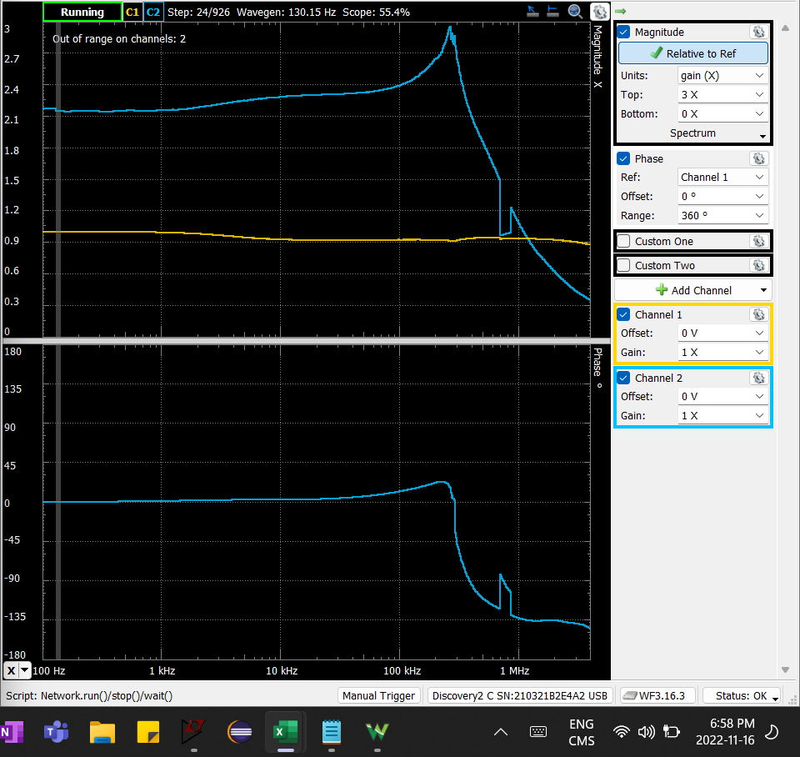
Frequency (Hz) | Channel 1 Magnitude (X) | Channel 2 Magnitude (X) | Channel 2 Phase (°)
100 | 1.0022651373 | 2.1702143135 | 0.11031881115
101.15216905 | 1.0022569916 | 2.1701490977 | 0.11089579021
102.31761304 | 1.0022439529 | 2.1699885034 | 0.1126601139
103.49648492 | 1.0022517223 | 2.1699142354 | 0.11325386564
104.68893939 | 1.0022376285 | 2.1701371069 | 0.11627473414
105.89513295 | 1.0022562848 | 2.1700987799 | 0.12126527665
107.1152239 | 1.0022989436 | 2.1698299566 | 0.13553369648
108.34937237 | 1.0022614972 | 2.1701283161 | 0.12906903788
109.59774031 | 1.0022739397 | 2.1696809853 | 0.12689088005
110.86049155 | 1.0022693507 | 2.1695986678 | 0.12766421584
112.13779183 | 1.0022815782 | 2.1694577942 | 0.12736656165
113.42980877 | 1.0022261222 | 2.1695300526 | 0.13050707802
114.73671192 | 1.0022376526 | 2.1694978576 | 0.13118588133
116.05867281 | 1.0022667897 | 2.1694234868 | 0.13180963586
117.39586492 | 1.0022863826 | 2.169541584 | 0.13369525362
118.74846375 | 1.00230922 | 2.1691715608 | 0.13445678672
120.1166468 | 1.0022762686 | 2.1691978318 | 0.13647546122
121.50059363 | 1.0022455958 | 2.1694668941 | 0.15171399264
122.90048588 | 1.002221418 | 2.1695600623 | 0.13975370007
124.31650724 | 1.0022208156 | 2.1695650683 | 0.13994150857
125.74884357 | 1.0022255535 | 2.1695212804 | 0.14096443166
127.19768283 | 1.0022420401 | 2.1695973266 | 0.14236374016
128.66321517 | 1.0022080798 | 2.1695657926 | 0.14442615815
130.14563292 | 1.0022012467 | 2.1692677336 | 0.1447012613
131.64513063 | 1.0021906744 | 2.1692271712 | 0.15093567142
133.16190508 | 1.0022267316 | 2.1692359865 | 0.16906740554
134.69615534 | 1.0022334054 | 2.1691930658 | 0.1638603081
136.24808276 | 1.0021930837 | 2.1692728148 | 0.16514163143
137.81789101 | 1.0022066098 | 2.1691985797 | 0.16585477235
139.4057861 | 1.0022424194 | 2.1691745329 | 0.16740563375
141.01197643 | 1.0022596154 | 2.1692473988 | 0.1677685247
142.63667278 | 1.0022209634 | 2.1691803075 | 0.17119171176
144.28008839 | 1.0022051695 | 2.1691664648 | 0.17172046855
145.94243892 | 1.0021887302 | 2.1813478293 | 0.17506813219
147.62394254 | 1.0022288577 | 2.1813098867 | 0.17706675567
149.32481992 | 1.0021757734 | 2.1814431918 | 0.17876811812
151.04529428 | 1.0021939122 | 2.1812790251 | 0.17865149061
152.78559142 | 1.0021816916 | 2.1815011437 | 0.18343881371
154.54593973 | 1.0021714347 | 2.1820378951 | 0.18116618049
156.32657022 | 1.0021555363 | 2.1816628476 | 0.18165437629
158.12771658 | 1.002176291 | 2.1817077156 | 0.1850405328
159.9496152 | 1.0022093318 | 2.181598417 | 0.18994137546
161.79250517 | 1.0021332469 | 2.1817414133 | 0.19199634882
163.65662835 | 1.0021563179 | 2.1819395558 | 0.19620103628
165.54222937 | 1.0021300444 | 2.1819202679 | 0.19605281709
167.44955571 | 1.0021179016 | 2.1816603307 | 0.19893396337
169.37885767 | 1.0022103332 | 2.181573122 | 0.19954871804
171.33038846 | 1.0021917486 | 2.1817252893 | 0.20060198539
173.30440417 | 1.0022085191 | 2.1817945984 | 0.20429427471
175.30116389 | 1.0021110287 | 2.1819173909 | 0.20697605464
177.32092965 | 1.0021772695 | 2.1815510219 | 0.20507992839
179.36396653 | 1.0020700338 | 2.1814827101 | 0.20797322948
...

Step 2.4
Vout vs Time Characteristics for R2 = 240 kΩ
0.00E+00 | 6.13E-07
7.62E-04 | -6.41E-07
7.67E-04 | -4.17E-06
7.73E-04 | -5.57E-06
7.79E-04 | -4.85E-06
7.85E-04 | -2.01E-06
7.91E-04 | 2.96E-06
7.97E-04 | 1.00E-05
8.03E-04 | 1.93E-05
8.07E-04 | 7.89E-06
8.11E-04 | -2.08E-06
8.15E-04 | -1.07E-05
8.19E-04 | -1.78E-05
8.24E-04 | -2.36E-05
8.28E-04 | -2.79E-05
8.32E-04 | -3.09E-05
8.35E-04 | -1.08E-05
8.39E-04 | 7.18E-06
8.42E-04 | 2.31E-05
8.46E-04 | 3.71E-05
8.49E-04 | 4.89E-05
8.53E-04 | 5.88E-05
8.56E-04 | 6.65E-05
8.63E-04 | 2.63E-05
8.74E-04 | -9.30E-05
8.80E-04 | -1.29E-04
8.83E-04 | -1.22E-04
8.86E-04 | -9.28E-05
8.93E-04 | 3.63E-05
9.00E-04 | 1.84E-04
9.03E-04 | 2.31E-04
9.06E-04 | 2.48E-04
9.09E-04 | 2.30E-04
9.13E-04 | 1.66E-04
9.16E-04 | 5.99E-05
9.20E-04 | -9.16E-05
9.24E-04 | -2.58E-04
9.27E-04 | -3.65E-04
9.30E-04 | -4.45E-04
9.33E-04 | -4.72E-04
9.35E-04 | -4.39E-04
9.39E-04 | -3.25E-04
9.42E-04 | -1.26E-04
9.46E-04 | 1.55E-04
9.50E-04 | 4.72E-04
9.53E-04 | 6.79E-04
9.56E-04 | 8.41E-04
9.58E-04 | 8.99E-04
9.61E-04 | 8.47E-04
9.65E-04 | 6.42E-04
...
Time | v(vout)
Seconds | Volts
0.00E+00 | 6.13E-07
7.62E-04 | -6.41E-07
7.67E-04 | -4.17E-06
7.73E-04 | -5.57E-06
7.79E-04 | -4.85E-06
7.85E-04 | -2.01E-06
7.91E-04 | 2.96E-06
7.97E-04 | 1.00E-05
8.03E-04 | 1.93E-05
8.07E-04 | 7.89E-06
8.11E-04 | -2.08E-06
8.15E-04 | -1.07E-05
8.19E-04 | -1.78E-05
8.24E-04 | -2.36E-05
8.28E-04 | -2.79E-05
8.32E-04 | -3.09E-05
8.35E-04 | -1.08E-05
8.39E-04 | 7.18E-06
8.42E-04 | 2.31E-05
8.46E-04 | 3.71E-05
8.49E-04 | 4.89E-05
8.53E-04 | 5.88E-05
8.56E-04 | 6.65E-05
8.63E-04 | 2.63E-05
8.74E-04 | -9.30E-05
8.80E-04 | -1.29E-04
8.83E-04 | -1.22E-04
8.86E-04 | -9.28E-05
8.93E-04 | 3.63E-05
9.00E-04 | 1.84E-04
9.03E-04 | 2.31E-04
9.06E-04 | 2.48E-04
9.09E-04 | 2.30E-04
9.13E-04 | 1.66E-04
9.16E-04 | 5.99E-05
9.20E-04 | -9.16E-05
9.24E-04 | -2.58E-04
9.27E-04 | -3.65E-04
9.30E-04 | -4.45E-04
...

Step 2.6
Vout vs Time Characteristics for R3 = R4 = 4.02 kΩ
0.00E+00 | 6.27E-07
5.76E-04 | 8.77E-07
5.78E-04 | -3.33E-06
5.81E-04 | -5.41E-06
5.84E-04 | -5.35E-06
5.87E-04 | -3.16E-06
5.90E-04 | 1.17E-06
5.92E-04 | 7.63E-06
5.95E-04 | 1.62E-05
5.97E-04 | 1.28E-05
5.99E-04 | 8.29E-06
6.00E-04 | 2.70E-06
6.02E-04 | -3.96E-06
6.04E-04 | -1.17E-05
6.06E-04 | -2.05E-05
6.07E-04 | -3.04E-05
6.12E-04 | -1.21E-05
6.18E-04 | 4.49E-05
6.21E-04 | 6.38E-05
6.24E-04 | 4.39E-05
6.29E-04 | -6.93E-05
6.30E-04 | -9.83E-05
6.32E-04 | -1.20E-04
6.33E-04 | -1.27E-04
6.35E-04 | -1.16E-04
6.36E-04 | -8.18E-05
6.40E-04 | 5.50E-05
6.42E-04 | 1.43E-04
6.43E-04 | 2.01E-04
6.45E-04 | 2.43E-04
6.46E-04 | 2.53E-04
6.47E-04 | 2.25E-04
6.49E-04 | 1.44E-04
6.51E-04 | 2.14E-05
6.53E-04 | -1.47E-04
6.55E-04 | -3.25E-04
6.56E-04 | -4.36E-04
6.58E-04 | -4.99E-04
6.59E-04 | -4.88E-04
6.61E-04 | -3.91E-04
6.62E-04 | -1.91E-04
6.64E-04 | 9.26E-05
6.66E-04 | 4.42E-04
6.67E-04 | 7.10E-04
6.69E-04 | 9.25E-04
6.70E-04 | 1.01E-03
6.72E-04 | 9.57E-04
6.73E-04 | 7.17E-04
6.75E-04 | 2.91E-04
6.77E-04 | -3.22E-04
...
Time | v(vout)
Seconds | Volts
0.00E+00 | 6.27E-07
5.76E-04 | 8.77E-07
5.78E-04 | -3.33E-06
5.81E-04 | -5.41E-06
5.84E-04 | -5.35E-06
5.87E-04 | -3.16E-06
5.90E-04 | 1.17E-06
5.92E-04 | 7.63E-06
5.95E-04 | 1.62E-05
5.97E-04 | 1.28E-05
5.99E-04 | 8.29E-06
6.00E-04 | 2.70E-06
6.02E-04 | -3.96E-06
6.04E-04 | -1.17E-05
6.06E-04 | -2.05E-05
6.07E-04 | -3.04E-05
6.12E-04 | -1.21E-05
6.18E-04 | 4.49E-05
6.21E-04 | 6.38E-05
6.24E-04 | 4.39E-05
6.29E-04 | -6.93E-05
6.30E-04 | -9.83E-05
6.32E-04 | -1.20E-04
6.33E-04 | -1.27E-04
6.35E-04 | -1.16E-04
6.36E-04 | -8.18E-05
6.40E-04 | 5.50E-05
6.42E-04 | 1.43E-04
6.43E-04 | 2.01E-04
6.45E-04 | 2.43E-04
6.46E-04 | 2.53E-04
6.47E-04 | 2.25E-04
6.49E-04 | 1.44E-04
6.51E-04 | 2.14E-05
6.53E-04 | -1.47E-04
6.55E-04 | -3.25E-04
6.56E-04 | -4.36E-04
6.58E-04 | -4.99E-04
6.59E-04 | -4.88E-04
...

Step 2.9
Time (s) | Channel 1 (V) | C1 | Frequency | 18.641 kHz
-0.00028668705882 | -4.90749 | C1 | Period | 53.645 us
-0.00028661705882 | -4.91497 | C1 | Amplitude | 4.9676 V
-0.00028654705882 | -4.91871 | C1 | Maximum | 5.0165 V
-0.00028647705882 | -4.92245 | C1 | Minimum | -4.98604 V
-0.00028640705882 | -4.92619
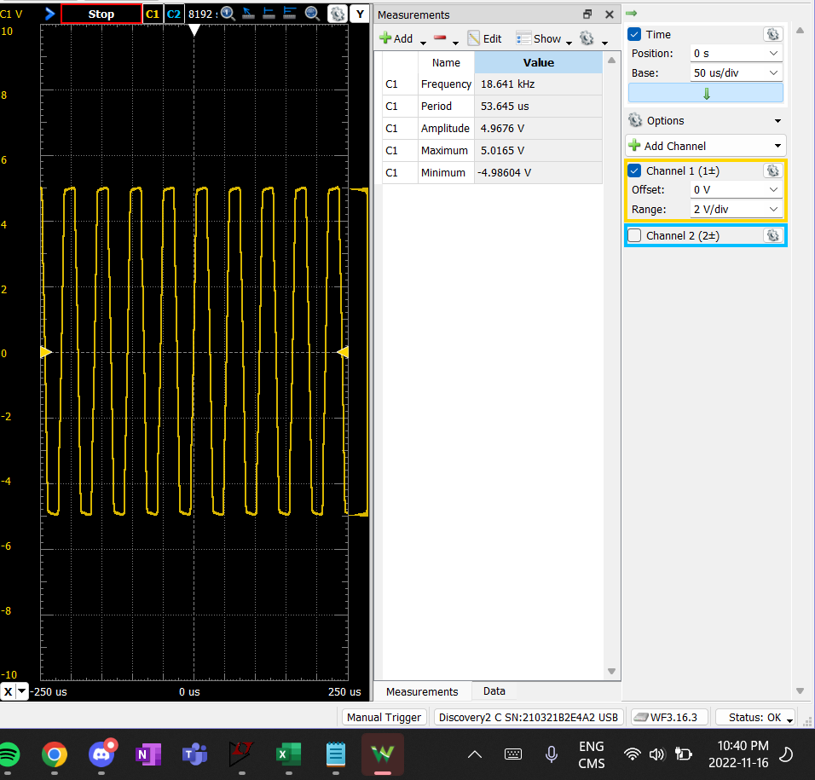
-0.00028633705882 | -4.92245
-0.00028626705882 | -4.92993
-0.00028619705882 | -4.91871
-0.00028612705882 | -4.91123
-0.00028605705882 | -4.90375
-0.00028598705882 | -4.90375
-0.00028591705882 | -4.90749
-0.00028584705882 | -4.91123
-0.00028577705882 | -4.91123
-0.00028570705882 | -4.90749
-0.00028563705882 | -4.91123
-0.00028556705882 | -4.90749
-0.00028549705882 | -4.90375
-0.00028542705882 | -4.90749
-0.00028535705882 | -4.91497
-0.00028528705882 | -4.91123
-0.00028521705882 | -4.91871
-0.00028514705882 | -4.91497
-0.00028507705882 | -4.91497
-0.00028500705882 | -4.90749
-0.00028493705882 | -4.91871
-0.00028486705882 | -4.91871
-0.00028479705882 | -4.91871
-0.00028472705882 | -4.93741
-0.00028465705882 | -4.93367
-0.00028458705882 | -4.94489
-0.00028451705882 | -4.94115
-0.00028444705882 | -4.94863
-0.00028437705882 | -4.94863
-0.00028430705882 | -4.93741
-0.00028423705882 | -4.93367
-0.00028416705882 | -4.93741
-0.00028409705882 | -4.94115
-0.00028402705882 | -4.93367
-0.00028395705882 | -4.92993
-0.00028388705882 | -4.92993
-0.00028381705882 | -4.92993
-0.00028374705882 | -4.94115
-0.00028367705882 | -4.94489
-0.00028360705882 | -4.93367
-0.00028353705882 | -4.92993
-0.00028346705882 | -4.93367
-0.00028339705882 | -4.92993
-0.00028332705882 | -4.92245
-0.00028325705882 | -4.91871
-0.00028318705882 | -4.91123
-0.00028311705882 | -4.91123
-0.00028304705882 | -4.91871
-0.00028297705882 | -4.91497
-0.00028290705882 | -4.92245
-0.00028283705882 | -4.92619
...

Step 2.10
Time (s) | Channel 1 (V) | C1 | Frequency | 34.109 kHz
-0.00028665162791 | 4.83695 | C1 | Period | 29.318 us
-0.00028658162791 | 4.84069 | C1 | Amplitude | 4.8404 V
-0.00028651162791 | 4.83321 | C1 | Maximum | 4.9005 V
-0.00028644162791 | 4.83695 | C1 | Minimum | -4.87008 V
-0.00028637162791 | 4.83695
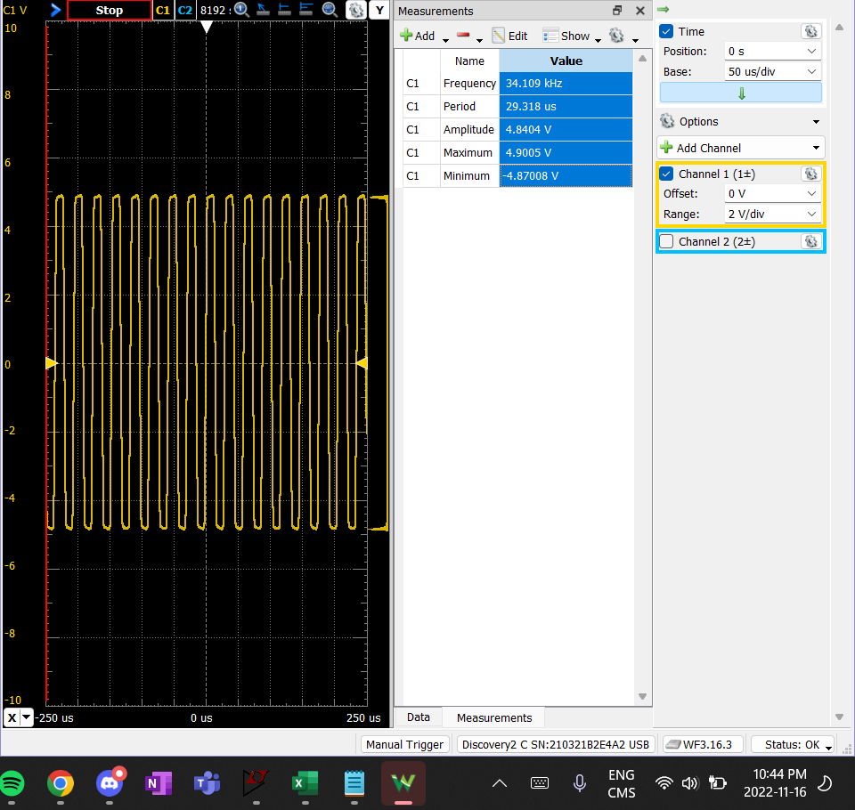
-0.00028630162791 | 4.84443
-0.00028623162791 | 4.83695
-0.00028616162791 | 4.84443
-0.00028609162791 | 4.85191
-0.00028602162791 | 4.85565
-0.00028595162791 | 4.85191
-0.00028588162791 | 4.85939
-0.00028581162791 | 4.85939
-0.00028574162791 | 4.84817
-0.00028567162791 | 4.85565
-0.00028560162791 | 4.84817
-0.00028553162791 | 4.85191
-0.00028546162791 | 4.85191
-0.00028539162791 | 4.85565
-0.00028532162791 | 4.85565
-0.00028525162791 | 4.85565
-0.00028518162791 | 4.86687
-0.00028511162791 | 4.85191
-0.00028504162791 | 4.85191
-0.00028497162791 | 4.85939
-0.00028490162791 | 4.86313
-0.00028483162791 | 4.86687
-0.00028476162791 | 4.86687
-0.00028469162791 | 4.85939
-0.00028462162791 | 4.86687
-0.00028455162791 | 4.85939
-0.00028448162791 | 4.86687
-0.00028441162791 | 4.86687
-0.00028434162791 | 4.85565
-0.00028427162791 | 4.86313
-0.00028420162791 | 4.85939
-0.00028413162791 | 4.85565
-0.00028406162791 | 4.86687
-0.00028399162791 | 4.85565
-0.00028392162791 | 4.86313
-0.00028385162791 | 4.86313
-0.00028378162791 | 4.85939
-0.00028371162791 | 4.86313
-0.00028364162791 | 4.86687
-0.00028357162791 | 4.87435
-0.00028350162791 | 4.87435
-0.00028343162791 | 4.87809
-0.00028336162791 | 4.88558
-0.00028329162791 | 4.87809
-0.00028322162791 | 4.87435
-0.00028315162791 | 4.88183
-0.00028308162791 | 4.88183
-0.00028301162791 | 4.87435
-0.00028294162791 | 4.88183
-0.00028287162791 | 4.88932
-0.00028280162791 | 4.88183
...

